3.3.1
Australian insolvency statistics
Released: December 2016
Table 3.3.1 - Total external administrators' reports by lodgement type and region, ANNUAL
 |  | Region
Financial year | Lodgement type | Australian Capital Territory | New South Wales | Northern Territory | Queensland | South Australia | Tasmania | Victoria | Western Australia | Australia
ANNUAL TOTAL
2004-2005 | electronic - direct | 77 | 1,889 | 12 | 536 | 162 | 24 | 1,249 | 161 | 4,110
2004-2005 | electronic - staff portal | 2 | 377 | 2 | 130 | 64 | 3 | 112 | 145 | 835
2004-2005 | manual | 10 | 499 | 1 | 213 | 53 | 10 | 451 | 130 | 1,367
2004-2005 | total | 89 | 2,765 | 15 | 879 | 279 | 37 | 1,812 | 436 | 6,312
2005-2006 | electronic - direct | 93 | 2,509 | 31 | 692 | 235 | 20 | 1,586 | 223 | 5,389
2005-2006 | electronic - staff portal | 1 | 371 | 3 | 117 | 18 |  | 124 | 138 | 772
2005-2006 | manual | 9 | 252 | 3 | 53 | 15 | 7 | 157 | 85 | 581
2005-2006 | total | 103 | 3,132 | 37 | 862 | 268 | 27 | 1,867 | 446 | 6,742
2006-2007 | electronic - direct | 103 | 3,360 | 28 | 942 | 312 | 34 | 1,899 | 272 | 6,950
2006-2007 | electronic - staff portal |  | 114 |  | 51 | 8 | 1 | 77 | 88 | 339
2006-2007 | manual | 4 | 131 |  | 21 | 8 | 4 | 72 | 29 | 269
2006-2007 | total | 107 | 3,605 | 28 | 1,014 | 328 | 39 | 2,048 | 389 | 7,558
2007-2008 | electronic - direct | 100 | 3,684 | 15 | 973 | 282 | 41 | 1,834 | 263 | 7,192
2007-2008 | electronic - staff portal | 3 | 112 |  | 7 | 4 |  | 61 | 55 | 242
2007-2008 | manual | 2 | 129 | 1 | 46 | 4 | 7 | 61 | 30 | 280
2007-2008 | total | 105 | 3,925 | 16 | 1,026 | 290 | 48 | 1,956 | 348 | 7,714
2008-2009 | electronic - direct | 115 | 4,094 | 15 | 1,238 | 232 | 41 | 2,007 | 279 | 8,021
2008-2009 | electronic - staff portal | 1 | 51 |  | 16 | 1 |  | 36 | 58 | 163
2008-2009 | manual | 4 | 94 |  | 37 | 2 |  | 35 | 9 | 181
2008-2009 | total | 120 | 4,239 | 15 | 1,291 | 235 | 41 | 2,078 | 346 | 8,365
2009-2010 | electronic - direct | 127 | 3,949 | 10 | 1,360 | 233 | 58 | 2,099 | 322 | 8,158
2009-2010 | electronic - staff portal | 1 | 25 |  | 6 | 5 |  | 37 | 77 | 151
2009-2010 | manual |  | 59 | 3 | 18 | 5 | 1 | 30 | 66 | 182
2009-2010 | total | 128 | 4,033 | 13 | 1,384 | 243 | 59 | 2,166 | 465 | 8,491
2010-2011 | electronic - direct | 127 | 4,134 | 17 | 1,524 | 322 | 64 | 1,745 | 440 | 8,373
2010-2011 | electronic - staff portal |  | 8 |  | 3 |  |  | 38 | 100 | 149
2010-2011 | manual | 1 | 31 |  | 9 |  | 1 | 31 | 19 | 92
2010-2011 | total | 128 | 4,173 | 17 | 1,536 | 322 | 65 | 1,814 | 559 | 8,614
2011-2012 | electronic - direct | 97 | 4,778 | 31 | 2,204 | 479 | 80 | 2,310 | 517 | 10,496
2011-2012 | electronic - staff portal | 1 | 26 |  | 13 | 5 |  | 29 | 56 | 130
2011-2012 | manual |  | 55 |  | 24 | 2 | 1 | 33 | 63 | 178
2011-2012 | total | 98 | 4,859 | 31 | 2,241 | 486 | 81 | 2,372 | 636 | 10,804
2012-2013 | electronic - direct | 107 | 4,179 | 33 | 2,096 | 384 | 94 | 2,161 | 528 | 9,582
2012-2013 | electronic - staff portal |  | 10 | 1 | 5 | 4 |  | 33 | 32 | 85
2012-2013 | manual |  | 42 |  | 12 |  |  | 25 | 42 | 121
2012-2013 | total | 107 | 4,231 | 34 | 2,113 | 388 | 94 | 2,219 | 602 | 9,788
2013-2014 | electronic - direct | 221 | 4,240 | 24 | 1,940 | 416 | 126 | 2,368 | 548 | 9,883
2013-2014 | electronic - staff portal |  | 8 | 1 | 3 | 3 |  | 34 | 28 | 77
2013-2014 | manual |  | 37 |  | 32 |  |  | 18 | 24 | 111
2013-2014 | total | 221 | 4,285 | 25 | 1,975 | 419 | 126 | 2,420 | 600 | 10,071
2014-2015 | electronic - direct | 142 | 3,665 | 41 | 1,599 | 455 | 78 | 2,297 | 589 | 8,866
2014-2015 | electronic - staff portal | 0 | 2 | 0 | 1 | 0 | 0 | 3 | 11 | 17
2014-2015 | manual | 0 | 2 | 0 | 1 | 0 | 0 | 7 | 12 | 22
2014-2015 | total | 142 | 3,668 | 41 | 1,601 | 455 | 78 | 2,307 | 612 | 8,904
2015-2016 | electronic - direct | 137 | 3,851 | 23 | 1,984 | 322 | 58 | 3,064 | 589 | 10,028
2015-2016 | electronic - staff portal | 1 | 4 | 0 | 0 | 9 | 0 | 7 | 12 | 33
2015-2016 | manual | 0 | 3 | 0 | 2 | 3 | 0 | 4 | 5 | 17
2015-2016 | total | 138 | 3,858 | 23 | 1,986 | 334 | 58 | 3,075 | 606 | 10,078

Note: Companies with international registered addresses are not included in these statistics.
ANNUAL PERCENTAGE OF ELECTRONIC - DIRECT
2004-2005 | electronic - direct | 86.5% | 68.3% | 80.0% | 61.0% | 58.1% | 64.9% | 68.9% | 36.9% | 65.1%
2005-2006 | electronic - direct | 90.3% | 80.1% | 83.8% | 80.3% | 87.7% | 74.1% | 84.9% | 50.0% | 79.9%
2006-2007 | electronic - direct | 96.3% | 93.2% | 100.0% | 92.9% | 95.1% | 87.2% | 92.7% | 69.9% | 92.0%
2007-2008 | electronic - direct | 95.2% | 93.9% | 93.8% | 94.8% | 97.2% | 85.4% | 93.8% | 75.6% | 93.2%
2008-2009 | electronic - direct | 95.8% | 96.6% | 100.0% | 95.9% | 98.7% | 100.0% | 96.6% | 80.6% | 95.9%
2009-2010 | electronic - direct | 99.2% | 97.9% | 76.9% | 98.3% | 95.9% | 98.3% | 96.9% | 69.2% | 96.1%
2010-2011 | electronic - direct | 99.2% | 99.1% | 100.0% | 99.2% | 100.0% | 98.5% | 96.2% | 78.7% | 97.2%
2011-2012 | electronic - direct | 99.0% | 98.3% | 100.0% | 98.3% | 98.6% | 98.8% | 97.4% | 81.3% | 97.1%
2012-2013 | electronic - direct | 100.0% | 98.8% | 97.1% | 99.2% | 99.0% | 100.0% | 97.4% | 87.7% | 97.9%
2013-2014 | electronic - direct | 100.0% | 98.9% | 96.0% | 98.2% | 99.3% | 100.0% | 97.9% | 91.3% | 98.1%
2014-2015 | electronic - direct | 100.0% | 99.9% | 100.0% | 99.9% | 100.0% | 100.0% | 99.6% | 96.2% | 99.6%
2015-2016 | electronic - direct | 99.3% | 99.8% | 100.0% | 99.9% | 96.4% | 100.0% | 99.6% | 97.2% | 99.5%
CHANGE FROM ELECTRONIC - DIRECT IN PREVIOUS FINANCIAL YEAR (%)
2005-2006 | electronic - direct | 3.8% | 11.8% | 3.8% | 19.3% | 29.6% | 9.2% | 16.0% | 13.1% | 14.8%
2006-2007 | electronic - direct | 6.0% | 13.1% | 16.2% | 12.6% | 7.4% | 13.1% | 7.8% | 19.9% | 12.0%
2007-2008 | electronic - direct | -1.0% | 0.7% | -6.3% | 1.9% | 2.1% | -1.8% | 1.0% | 5.7% | 1.3%
2008-2009 | electronic - direct | 0.6% | 2.7% | 6.3% | 1.1% | 1.5% | 14.6% | 2.8% | 5.1% | 2.7%
2009-2010 | electronic - direct | 3.4% | 1.3% | -23.1% | 2.4% | -2.8% | -1.7% | 0.3% | -11.4% | 0.2%
2010-2011 | electronic - direct | 0.0% | 1.1% | 23.1% | 1.0% | 4.1% | 0.2% | -0.7% | 9.5% | 1.1%
2011-2012 | electronic - direct | -0.2% | -0.7% | 0.0% | -0.9% | -1.4% | 0.3% | 1.2% | 2.6% | -0.1%
2012-2013 | electronic - direct | 1.0% | 0.4% | -2.9% | 0.8% | 0.4% | 1.2% | 0.0% | 6.4% | 0.7%
2013-2014 | electronic - direct | 0.0% | 0.2% | -1.1% | -1.0% | 0.3% | 0.0% | 0.5% | 3.6% | 0.2%
2014-2015 | electronic - direct | 0.0% | 1.0% | 4.0% | 1.6% | 0.7% | 0.0% | 1.7% | 4.9% | 1.4%
2015-2016 | electronic - direct | -0.7% | -0.1% | 0.0% | 0.0% | -3.6% | 0.0% | 0.1% | 1.0% | -0.1%
Note: Companies with international registered addresses are not included in these statistics.

Figure 3.3.1 - Total external administrators' reports by direct electronic lodgement and region, ANNUAL PERCENTAGE
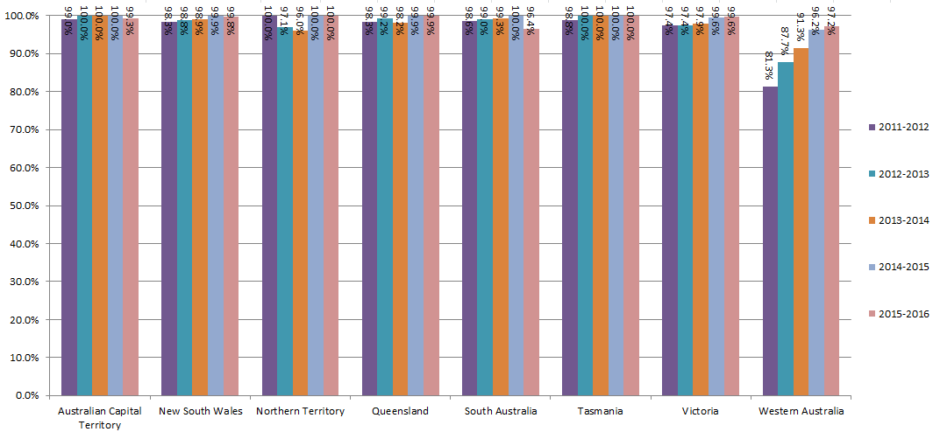

© Australian Securities & Investments Commission

3.3.3
Australian insolvency statistics
Released: December 2016
Table 3.3.3 - Initial external administrators' reports by section of the Corporations Act, ANNUAL
 | Section of the Corporations Act
Financial year | Section 422 (reports by receiver) | Section 438D (reports by administrator) | Section 533 (reports by liquidator) | Statistical purposes | No. of reports
ANNUAL TOTAL
2004-2005 | 40 | 319 | 4,280 | 9 | 4,648
2005-2006 | 51 | 418 | 5,314 | 2 | 5,785
2006-2007 | 40 | 410 | 6,400 | 15 | 6,865
2007-2008 | 51 | 363 | 6,514 | 5 | 6,933
2008-2009 | 89 | 295 | 7,327 | 22 | 7,733
2009-2010 | 89 | 296 | 7,506 | 12 | 7,903
2010-2011 | 89 | 333 | 7,624 | 8 | 8,054
2011-2012 | 88 | 403 | 9,567 | 16 | 10,074
2012-2013 | 95 | 355 | 8,790 | 14 | 9,254
2013-2014 | 62 | 424 | 8,959 | 14 | 9,459
2014-2015 | 56 | 454 | 7,843 | 1 | 8,354
2015-2016 | 55 | 566 | 8,830 | 14 | 9,465
ANNUAL PERCENTAGE
2004-2005 | 0.9% | 6.9% | 92.1% | 0.2% | 100.0%
2005-2006 | 0.9% | 7.2% | 91.9% | 0.0% | 100.0%
2006-2007 | 0.6% | 6.0% | 93.2% | 0.2% | 100.0%
2007-2008 | 0.7% | 5.2% | 94.0% | 0.1% | 100.0%
2008-2009 | 1.2% | 3.8% | 94.7% | 0.3% | 100.0%
2009-2010 | 1.1% | 3.7% | 95.0% | 0.2% | 100.0%
2010-2011 | 1.1% | 4.1% | 94.7% | 0.1% | 100.0%
2011-2012 | 0.9% | 4.0% | 95.0% | 0.2% | 100.0%
2012-2013 | 1.0% | 3.8% | 95.0% | 0.2% | 100.0%
2013-2014 | 0.7% | 4.5% | 94.7% | 0.1% | 100.0%
2014-2015 | 0.7% | 5.4% | 93.9% | 0.0% | 100.0%
2015-2016 | 0.6% | 6.0% | 93.3% | 0.1% | 100.0%
CHANGE FROM PREVIOUS FINANCIAL YEAR (%)
2005-2006 | 0.0% | 0.4% | -0.2% | -0.2% | 0.0%
2006-2007 | -0.3% | -1.3% | 1.4% | 0.2% | 0.0%
2007-2008 | 0.2% | -0.7% | 0.7% | -0.1% | 0.0%
2008-2009 | 0.4% | -1.4% | 0.8% | 0.2% | 0.0%
2009-2010 | 0.0% | -0.1% | 0.2% | -0.1% | 0.0%
2010-2011 | 0.0% | 0.4% | -0.3% | -0.1% | 0.0%
2011-2012 | -0.2% | -0.1% | 0.3% | 0.1% | 0.0%
2012-2013 | 0.2% | -0.2% | 0.0% | 0.0% | 0.0%
2013-2014 | -0.4% | 0.6% | -0.3% | 0.0% | 0.0%
2014-2015 | 0.0% | 1.0% | -0.8% | -0.1% | 0.0%
2015-2016 | -0.1% | 0.5% | -0.6% | 0.1% | 0.0%

Figure 3.3.3 - Initial external administrators' reports by section of the Corporations Act, ANNUAL PERCENTAGE
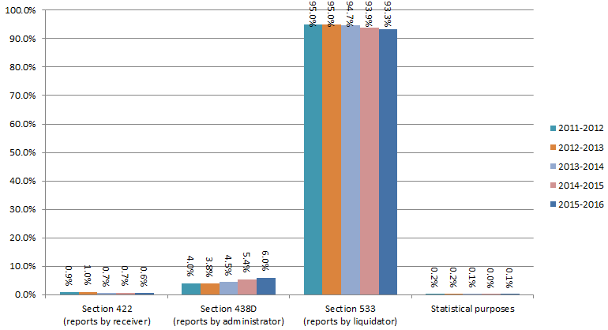

© Australian Securities & Investments Commission

3.3.4
Australian insolvency statistics
Released: December 2016
Table 3.3.4 - Initial external administrators' reports by size of company as measured by number of FTE, ANNUAL
 | Full-time equivalent employees
Financial year | Less than 5 FTE | Between 5 and 19 FTE | Between 20 and 199 FTE | 200 or more FTE | Not known | No. of reports
ANNUAL TOTAL
2004-2005 | 2,892 | 967 | 305 | 18 | 466 | 4,648
2005-2006 | 3,819 | 1,033 | 339 | 17 | 577 | 5,785
2006-2007 | 4,450 | 1,199 | 341 | 9 | 866 | 6,865
2007-2008 | 4,287 | 1,129 | 342 | 7 | 1,168 | 6,933
2008-2009 | 4,679 | 1,136 | 345 | 7 | 1,566 | 7,733
2009-2010 | 4,766 | 1,296 | 392 | 28 | 1,421 | 7,903
2010-2011 | 4,963 | 1,348 | 408 | 23 | 1,312 | 8,054
2011-2012 | 6,270 | 1,636 | 500 | 16 | 1,652 | 10,074
2012-2013 | 6,032 | 1,448 | 428 | 25 | 1,321 | 9,254
2013-2014 | 6,302 | 1,325 | 478 | 26 | 1,328 | 9,459
2014-2015 | 5,365 | 1,224 | 419 | 18 | 1,328 | 8,354
2015-2016 | 6,202 | 1,253 | 430 | 44 | 1,536 | 9,465
ANNUAL PERCENTAGE
2004-2005 | 62.2% | 20.8% | 6.6% | 0.4% | 10.0% | 100.0%
2005-2006 | 66.0% | 17.9% | 5.9% | 0.3% | 10.0% | 100.0%
2006-2007 | 64.8% | 17.5% | 5.0% | 0.1% | 12.6% | 100.0%
2007-2008 | 61.8% | 16.3% | 4.9% | 0.1% | 16.8% | 100.0%
2008-2009 | 60.5% | 14.7% | 4.5% | 0.1% | 20.3% | 100.0%
2009-2010 | 60.3% | 16.4% | 5.0% | 0.4% | 18.0% | 100.0%
2010-2011 | 61.6% | 16.7% | 5.1% | 0.3% | 16.3% | 100.0%
2011-2012 | 62.2% | 16.2% | 5.0% | 0.2% | 16.4% | 100.0%
2012-2013 | 65.2% | 15.6% | 4.6% | 0.3% | 14.3% | 100.0%
2013-2014 | 66.6% | 14.0% | 5.1% | 0.3% | 14.0% | 100.0%
2014-2015 | 64.2% | 14.7% | 5.0% | 0.2% | 15.9% | 100.0%
2015-2016 | 65.5% | 13.2% | 4.5% | 0.5% | 16.2% | 100.0%
CHANGE FROM PREVIOUS FINANCIAL YEAR (%)
2005-2006 | 3.8% | -2.9% | -0.7% | -0.1% | -0.1% | 0.0%
2006-2007 | -1.2% | -0.4% | -0.9% | -0.2% | 2.6% | 0.0%
2007-2008 | -3.0% | -1.2% | 0.0% | 0.0% | 4.2% | 0.0%
2008-2009 | -1.3% | -1.6% | -0.5% | 0.0% | 3.4% | 0.0%
2009-2010 | -0.2% | 1.7% | 0.5% | 0.3% | -2.3% | 0.0%
2010-2011 | 1.3% | 0.3% | 0.1% | -0.1% | -1.7% | 0.0%
2011-2012 | 0.6% | -0.5% | -0.1% | -0.1% | 0.1% | 0.0%
2012-2013 | 2.9% | -0.6% | -0.3% | 0.1% | -2.1% | 0.0%
2013-2014 | 1.4% | -1.6% | 0.4% | 0.0% | -0.2% | 0.0%
2014-2015 | -2.4% | 0.6% | 0.0% | -0.1% | 1.9% | 0.0%
2015-2016 | 1.3% | -1.4% | -0.5% | 0.2% | 0.3% | 0.0%

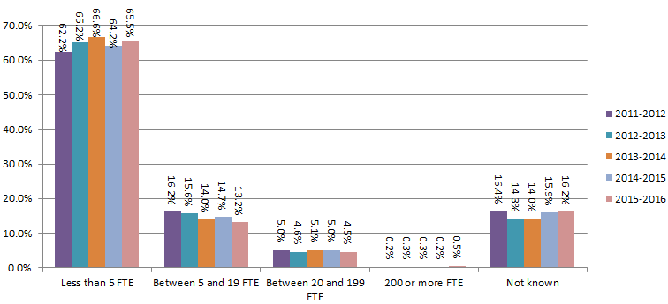
Figure 3.3.4 - Initial external administrators' reports by size of company, ANNUAL PERCENTAGE

© Australian Securities & Investments Commission

3.3.5
Australian insolvency statistics
Released: December 2016
Table 3.3.5 - Initial external administrators' reports by industry, ANNUAL
 | Industry
Financial year | Accommodation & food services | Administrative & support services | Agriculture, forestry & fishing | Arts & recreation services | Construction | Education & training | Electricity, gas, water & waste services | FIS–Credit provider | FIS–Deposit taking institutions | FIS–Insurance | FIS–Managed investments | FIS–Other financial services | FIS– Superannuation | Health care & social assistance | Information media & tele- communications | Manufacturing | Mining | Other (business & personal) services | Professional, scientific & technical services | Property & business services | Public administration & safety | Rental, hiring & real estate services | Retail trade | Transport, postal & warehousing | Wholesale trade | No. of reports
ANNUAL TOTAL
2004-2005 | 340 |  | 106 | 76 | 935 | 26 | 23 | 7 | 0 | 13 | 39 | 86 | 4 | 70 | 138 | 364 | 31 | 959 |  | 333 | 1 |  | 602 | 276 | 219 | 4,648
2005-2006 | 401 |  | 112 | 93 | 1,177 | 28 | 33 | 7 | 0 | 45 | 74 | 141 | 2 | 93 | 177 | 427 | 22 | 1,129 |  | 470 | 2 |  | 759 | 381 | 212 | 5,785
2006-2007 | 499 |  | 139 | 89 | 1,396 | 29 | 29 | 6 | 2 | 23 | 84 | 165 | 2 | 94 | 188 | 498 | 32 | 1,334 |  | 649 | 0 |  | 860 | 472 | 275 | 6,865
2007-2008 | 507 |  | 127 | 86 | 1,517 | 28 | 27 | 15 | 0 | 12 | 50 | 198 | 3 | 90 | 234 | 434 | 33 | 1,371 |  | 643 | 0 |  | 860 | 438 | 260 | 6,933
2008-2009 | 531 | 85 | 150 | 111 | 1,760 | 53 | 106 | 20 | 1 | 13 | 65 | 164 | 3 | 86 | 257 | 506 | 40 | 1,787 | 149 |  | 13 | 210 | 904 | 457 | 262 | 7,733
2009-2010 | 561 | 71 | 147 | 108 | 1,905 | 49 | 97 | 19 | 0 | 12 | 112 | 203 | 2 | 108 | 254 | 511 | 86 | 1,735 | 159 |  | 13 | 234 | 818 | 472 | 227 | 7,903
2010-2011 | 611 | 114 | 213 | 100 | 1,862 | 95 | 110 | 22 | 1 | 12 | 52 | 150 | 9 | 94 | 212 | 474 | 58 | 1,887 | 153 |  | 23 | 244 | 864 | 448 | 246 | 8,054
2011-2012 | 929 | 138 | 194 | 122 | 2,229 | 78 | 177 | 12 | 1 | 25 | 56 | 197 | 7 | 124 | 257 | 574 | 68 | 2,369 | 230 |  | 27 | 344 | 1,024 | 607 | 285 | 10,074
2012-2013 | 817 | 95 | 238 | 81 | 2,245 | 55 | 158 | 14 | 2 | 11 | 98 | 142 | 6 | 100 | 240 | 532 | 64 | 2,220 | 196 |  | 24 | 290 | 904 | 493 | 229 | 9,254
2013-2014 | 916 | 143 | 195 | 102 | 2,153 | 73 | 179 | 19 | 3 | 8 | 54 | 147 | 7 | 92 | 223 | 463 | 108 | 2,482 | 187 |  | 11 | 272 | 870 | 508 | 244 | 9,459
2014-2015 | 870 | 73 | 146 | 74 | 1,771 | 64 | 144 | 8 | 2 | 3 | 34 | 96 | 4 | 85 | 182 | 432 | 166 | 2,351 | 184 |  | 21 | 223 | 739 | 458 | 224 | 8,354
2015-2016 | 928 | 83 | 165 | 100 | 1,964 | 94 | 184 | 15 | 10 | 15 | 32 | 133 | 13 | 89 | 225 | 387 | 193 | 2,889 | 196 |  | 41 | 194 | 768 | 546 | 201 | 9,465
ANNUAL PERCENTAGE
2004-2005 | 7.3% |  | 2.3% | 1.6% | 20.1% | 0.6% | 0.5% | 0.2% | 0.0% | 0.3% | 0.8% | 1.9% | 0.1% | 1.5% | 3.0% | 7.8% | 0.7% | 20.6% |  | 7.2% | 0.0% |  | 13.0% | 5.9% | 4.7% | 100.0%
2005-2006 | 6.9% |  | 1.9% | 1.6% | 20.3% | 0.5% | 0.6% | 0.1% | 0.0% | 0.8% | 1.3% | 2.4% | 0.0% | 1.6% | 3.1% | 7.4% | 0.4% | 19.5% |  | 8.1% | 0.0% |  | 13.1% | 6.6% | 3.7% | 100.0%
2006-2007 | 7.3% |  | 2.0% | 1.3% | 20.3% | 0.4% | 0.4% | 0.1% | 0.0% | 0.3% | 1.2% | 2.4% | 0.0% | 1.4% | 2.7% | 7.3% | 0.5% | 19.4% |  | 9.5% | 0.0% |  | 12.5% | 6.9% | 4.0% | 100.0%
2007-2008 | 7.3% |  | 1.8% | 1.2% | 21.9% | 0.4% | 0.4% | 0.2% | 0.0% | 0.2% | 0.7% | 2.9% | 0.0% | 1.3% | 3.4% | 6.3% | 0.5% | 19.8% |  | 9.3% | 0.0% |  | 12.4% | 6.3% | 3.8% | 100.0%
2008-2009 | 6.9% | 1.1% | 1.9% | 1.4% | 22.8% | 0.7% | 1.4% | 0.3% | 0.0% | 0.2% | 0.8% | 2.1% | 0.0% | 1.1% | 3.3% | 6.5% | 0.5% | 23.1% | 1.9% |  | 0.2% | 2.7% | 11.7% | 5.9% | 3.4% | 100.0%
2009-2010 | 7.1% | 0.9% | 1.9% | 1.4% | 24.1% | 0.6% | 1.2% | 0.2% | 0.0% | 0.2% | 1.4% | 2.6% | 0.0% | 1.4% | 3.2% | 6.5% | 1.1% | 22.0% | 2.0% |  | 0.2% | 3.0% | 10.4% | 6.0% | 2.9% | 100.0%
2010-2011 | 7.6% | 1.4% | 2.6% | 1.2% | 23.1% | 1.2% | 1.4% | 0.3% | 0.0% | 0.1% | 0.6% | 1.9% | 0.1% | 1.2% | 2.6% | 5.9% | 0.7% | 23.4% | 1.9% |  | 0.3% | 3.0% | 10.7% | 5.6% | 3.1% | 100.0%
2011-2012 | 9.2% | 1.4% | 1.9% | 1.2% | 22.1% | 0.8% | 1.8% | 0.1% | 0.0% | 0.2% | 0.6% | 2.0% | 0.1% | 1.2% | 2.6% | 5.7% | 0.7% | 23.5% | 2.3% |  | 0.3% | 3.4% | 10.2% | 6.0% | 2.8% | 100.0%
2012-2013 | 8.8% | 1.0% | 2.6% | 0.9% | 24.3% | 0.6% | 1.7% | 0.2% | 0.0% | 0.1% | 1.1% | 1.5% | 0.1% | 1.1% | 2.6% | 5.7% | 0.7% | 24.0% | 2.1% |  | 0.3% | 3.1% | 9.8% | 5.3% | 2.5% | 100.0%
2013-2014 | 9.7% | 1.5% | 2.1% | 1.1% | 22.8% | 0.8% | 1.9% | 0.2% | 0.0% | 0.1% | 0.6% | 1.6% | 0.1% | 1.0% | 2.4% | 4.9% | 1.1% | 26.2% | 2.0% |  | 0.1% | 2.9% | 9.2% | 5.4% | 2.6% | 100.0%
2014-2015 | 10.4% | 0.9% | 1.7% | 0.9% | 21.2% | 0.8% | 1.7% | 0.1% | 0.0% | 0.0% | 0.4% | 1.1% | 0.0% | 1.0% | 2.2% | 5.2% | 2.0% | 28.1% | 2.2% |  | 0.3% | 2.7% | 8.8% | 5.5% | 2.7% | 100.0%
2015-2016 | 9.8% | 0.9% | 1.7% | 1.1% | 20.8% | 1.0% | 1.9% | 0.2% | 0.1% | 0.2% | 0.3% | 1.4% | 0.1% | 0.9% | 2.4% | 4.1% | 2.0% | 30.5% | 2.1% |  | 0.4% | 2.0% | 8.1% | 5.8% | 2.1% | 100.0%
CHANGE FROM PREVIOUS FINANCIAL YEAR (%)
2005-2006 | -0.4% |  | -0.3% | 0.0% | 0.2% | -0.1% | 0.1% | 0.0% | 0.0% | 0.5% | 0.4% | 0.6% | -0.1% | 0.1% | 0.1% | -0.5% | -0.3% | -1.1% |  | 1.0% | 0.0% |  | 0.2% | 0.6% | -1.0% | 0.0%
2006-2007 | 0.3% |  | 0.1% | -0.3% | 0.0% | -0.1% | -0.1% | 0.0% | 0.0% | -0.4% | -0.1% | 0.0% | 0.0% | -0.2% | -0.3% | -0.1% | 0.1% | -0.1% |  | 1.3% | 0.0% |  | -0.6% | 0.3% | 0.3% | 0.0%
2007-2008 | 0.0% |  | -0.2% | -0.1% | 1.5% | 0.0% | 0.0% | 0.1% | 0.0% | -0.2% | -0.5% | 0.5% | 0.0% | -0.1% | 0.6% | -1.0% | 0.0% | 0.3% |  | -0.2% | 0.0% |  | -0.1% | -0.6% | -0.3% | 0.0%
2008-2009 | -0.4% | 1.1% | 0.1% | 0.2% | 0.9% | 0.3% | 1.0% | 0.0% | 0.0% | 0.0% | 0.1% | -0.7% | 0.0% | -0.2% | -0.1% | 0.3% | 0.0% | 3.3% | 1.9% | -9.3% | 0.2% | 2.7% | -0.7% | -0.4% | -0.4% | 0.0%
2009-2010 | 0.2% | -0.2% | -0.1% | -0.1% | 1.3% | -0.1% | -0.1% | 0.0% | 0.0% | 0.0% | 0.6% | 0.4% | 0.0% | 0.3% | -0.1% | -0.1% | 0.6% | -1.2% | 0.1% |  | 0.0% | 0.2% | -1.3% | 0.1% | -0.5% | 0.0%
2010-2011 | 0.5% | 0.5% | 0.8% | -0.1% | -1.0% | 0.6% | 0.1% | 0.0% | 0.0% | 0.0% | -0.8% | -0.7% | 0.1% | -0.2% | -0.6% | -0.6% | -0.4% | 1.5% | -0.1% |  | 0.1% | 0.1% | 0.4% | -0.4% | 0.2% | 0.0%
2011-2012 | 1.6% | 0.0% | -0.7% | 0.0% | -1.0% | -0.4% | 0.4% | -0.2% | 0.0% | 0.1% | -0.1% | 0.1% | 0.0% | 0.1% | -0.1% | -0.2% | 0.0% | 0.1% | 0.4% |  | 0.0% | 0.4% | -0.6% | 0.5% | -0.2% | 0.0%
2012-2013 | -0.4% | -0.3% | 0.6% | -0.3% | 2.1% | -0.2% | 0.0% | 0.0% | 0.0% | -0.1% | 0.5% | -0.4% | 0.0% | -0.2% | 0.0% | 0.1% | 0.0% | 0.5% | -0.2% |  | 0.0% | -0.3% | -0.4% | -0.7% | -0.4% | 0.0%
2013-2014 | 0.9% | 0.5% | -0.5% | 0.2% | -1.5% | 0.2% | 0.2% | 0.0% | 0.0% | 0.0% | -0.5% | 0.0% | 0.0% | -0.1% | -0.2% | -0.9% | 0.5% | 2.2% | -0.1% |  | -0.1% | -0.3% | -0.6% | 0.0% | 0.1% | 0.0%
2014-2015 | 0.7% | -0.6% | -0.3% | -0.2% | -1.6% | 0.0% | -0.2% | -0.1% | 0.0% | 0.0% | -0.2% | -0.4% | 0.0% | 0.0% | -0.2% | 0.3% | 0.8% | 1.9% | 0.2% |  | 0.1% | -0.2% | -0.4% | 0.1% | 0.1% | 0.0%
2015-2016 | -0.6% | 0.0% | 0.0% | 0.2% | -0.4% | 0.2% | 0.2% | 0.1% | 0.1% | 0.1% | -0.1% | 0.3% | 0.1% | -0.1% | 0.2% | -1.1% | 0.1% | 2.4% | -0.1% |  | 0.2% | -0.6% | -0.7% | 0.3% | -0.6% | 0.0%

Figure 3.3.5 - Initial external administrators' reports by industry, ANNUAL PERCENTAGE

 | 2011-2012 | 2012-2013 | 2013-2014 | 2014-2015 | 2015-2016
Accommodation & food services | 0.092217589835 | 0.088286146531 | 0.096838989322 | 0.10414172851 | 0.0980454
Administrative & support services | 0.013698630137 | 0.010265830992 | 0.015117877154 | 0.0087383289442 | 0.0087691
Agriculture, forestry & fishing | 0.01925749454 | 0.025718608169 | 0.020615287028 | 0.017476657888 | 0.0174326
Arts & recreation services | 0.012110383165 | 0.0087529716879 | 0.010783380907 | 0.0088580320804 | 0.0105652
Construction | 0.22126265634 | 0.24259779555 | 0.22761391268 | 0.21199425425 | 0.2075013
Education & training | 0.0077427039905 | 0.0059433758375 | 0.007717517708 | 0.0076610007182 | 0.0099313
Electricity, gas, water & waste services | 0.017569982132 | 0.01707369786 | 0.018923776298 | 0.017237251616 | 0.01944
FIS - Credit provider | 0.0011911852293 | 0.0015128593041 | 0.0020086689925 | 0.00095762508978 | 0.0015848
FIS - Deposit taking institutions | 9.9265435775E-05 | 0.00021612275773 | 0.00031715826197 | 0.00023940627244 | 0.0010565
FIS - Insurance | 0.0024816358944 | 0.0011886751675 | 0.00084575536526 | 0.00035910940867 | 0.0015848
FIS - Managed investments | 0.0055588644034 | 0.010590015129 | 0.0057088487155 | 0.0040699066316 | 0.0033809
FIS - Other financial services | 0.019555290848 | 0.015344715799 | 0.015540754837 | 0.011491501077 | 0.0140518
FIS - Superannuation | 0.00069485805043 | 0.00064836827318 | 0.0007400359446 | 0.00047881254489 | 0.0013735
Health care & social assistance | 0.012308914036 | 0.010806137886 | 0.0097261867005 | 0.010174766579 | 0.0094031
Information media & telecommunications | 0.025511216994 | 0.025934730927 | 0.023575430807 | 0.021785970792 | 0.0237718
Manufacturing | 0.056978360135 | 0.057488653555 | 0.048948091764 | 0.051711754848 | 0.0408875
Mining | 0.0067500496327 | 0.0069159282472 | 0.011417697431 | 0.019870720613 | 0.0203909
Other (business & personal) services | 0.23515981735 | 0.23989626108 | 0.26239560207 | 0.28142207326 | 0.3052298
Professional, scientific & technical services | 0.022831050228 | 0.021180030257 | 0.019769531663 | 0.022025377065 | 0.0207079
Public administration & safety | 0.0026801667659 | 0.0025934730927 | 0.0011629136272 | 0.0025137658607 | 0.0043317
Rental, hiring & real estate services | 0.034147309907 | 0.03133779987 | 0.028755682419 | 0.026693799378 | 0.0204966
Retail trade | 0.10164780623 | 0.097687486492 | 0.091975895972 | 0.088460617668 | 0.081141
Transport, postal & warehousing | 0.060254119516 | 0.05327425978 | 0.053705465694 | 0.05482403639 | 0.058
Wholesale trade | 0.028290649196 | 0.02474605576 | 0.02579553864 | 0.026813502514 | 0.0212361

© Australian Securities & Investments Commission

3.3.8
Australian insolvency statistics
Released: December 2016
Table 3.3.8 - Initial external administrators' reports by liabilities, ANNUAL
 | Total estimated liabilities
Financial year | $1–$250,000 | $250,001–less than $1 million | $1 million–less than $5 million | $5 million– $10 million | Over $10 million | No. of reports
ANNUAL TOTAL
2004-2005 | 2,516 | 1,385 | 581 | 98 | 68 | 4,648
2005-2006 | 3,192 | 1,678 | 693 | 117 | 105 | 5,785
2006-2007 | 3,809 | 1,963 | 870 | 113 | 110 | 6,865
2007-2008 | 3,786 | 2,041 | 866 | 142 | 98 | 6,933
2008-2009 | 4,025 | 2,205 | 1,051 | 174 | 278 | 7,733
2009-2010 | 3,616 | 2,354 | 1,334 | 264 | 335 | 7,903
2010-2011 | 3,580 | 2,592 | 1,338 | 223 | 321 | 8,054
2011-2012 | 4,227 | 3,357 | 1,844 | 278 | 368 | 10,074
2012-2013 | 4,015 | 3,015 | 1,519 | 240 | 465 | 9,254
2013-2014 | 4,093 | 3,128 | 1,618 | 277 | 343 | 9,459
2014-2015 | 3,446 | 2,894 | 1,485 | 254 | 275 | 8,354
2015-2016 | 4,375 | 3,122 | 1,484 | 220 | 264 | 9,465
ANNUAL PERCENTAGE
2004-2005 | 54.1% | 29.8% | 12.5% | 2.1% | 1.5% | 100.0%
2005-2006 | 55.2% | 29.0% | 12.0% | 2.0% | 1.8% | 100.0%
2006-2007 | 55.5% | 28.6% | 12.7% | 1.6% | 1.6% | 100.0%
2007-2008 | 54.6% | 29.4% | 12.5% | 2.0% | 1.4% | 100.0%
2008-2009 | 52.0% | 28.5% | 13.6% | 2.3% | 3.6% | 100.0%
2009-2010 | 45.8% | 29.8% | 16.9% | 3.3% | 4.2% | 100.0%
2010-2011 | 44.4% | 32.2% | 16.6% | 2.8% | 4.0% | 100.0%
2011-2012 | 42.0% | 33.3% | 18.3% | 2.8% | 3.7% | 100.0%
2012-2013 | 43.4% | 32.6% | 16.4% | 2.6% | 5.0% | 100.0%
2013-2014 | 43.3% | 33.1% | 17.1% | 2.9% | 3.6% | 100.0%
2014-2015 | 41.2% | 34.6% | 17.8% | 3.0% | 3.3% | 100.0%
2015-2016 | 46.2% | 33.0% | 15.7% | 2.3% | 2.8% | 100.0%
CHANGE FROM PREVIOUS FINANCIAL YEAR (%)
2005-2006 | 1.0% | -0.8% | -0.5% | -0.1% | 0.4% | 0.0%
2006-2007 | 0.3% | -0.4% | 0.7% | -0.4% | -0.2% | 0.0%
2007-2008 | -0.9% | 0.8% | -0.2% | 0.4% | -0.2% | 0.0%
2008-2009 | -2.6% | -0.9% | 1.1% | 0.2% | 2.2% | 0.0%
2009-2010 | -6.3% | 1.3% | 3.3% | 1.1% | 0.6% | 0.0%
2010-2011 | -1.3% | 2.4% | -0.3% | -0.6% | -0.3% | 0.0%
2011-2012 | -2.5% | 1.1% | 1.7% | 0.0% | -0.3% | 0.0%
2012-2013 | 1.4% | -0.7% | -1.9% | -0.2% | 1.4% | 0.0%
2013-2014 | -0.1% | 0.5% | 0.7% | 0.3% | -1.4% | 0.0%
2014-2015 | -2.0% | 1.6% | 0.7% | 0.1% | -0.3% | 0.0%
2015-2016 | 5.0% | -1.7% | -2.1% | -0.7% | -0.5% | 0.0%

Figure 3.3.8 - Initial external administrators' reports by liabilities, ANNUAL PERCENTAGE
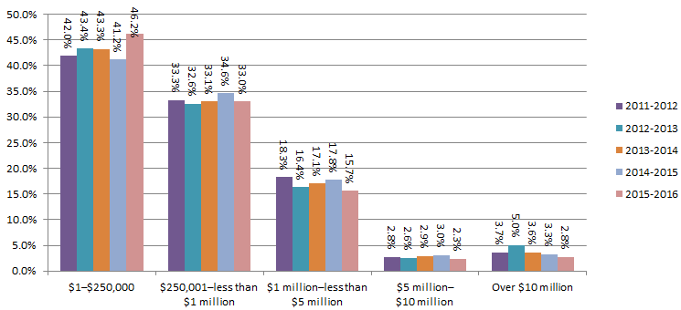

© Australian Securities & Investments Commission

3.3.10.1-3.3.10.6
Australian insolvency statistics
Released: December 2016
Table 3.3.10.1 - Initial external administrators' reports by unpaid employee entitlements (wages), ANNUAL
 | Estimated unpaid employee entitlements for wages
Financial year | $1–$1,000 | $1,001–$10,000 | $10,001–$50,000 | $50,001– $150,000 | $150,001– $250,000 | $250,001– $500,000 | $500,001–Less than $1.5 million | $1.5 million– $5 million | Over $5 million | Not applicable | No. of reports
ANNUAL TOTAL
2004-2005 | 274 | 616 | 259 | 85 | 15 | 13 | 2 | 1 | 18 | 3,288 | 4,571
2005-2006 | 336 | 698 | 301 | 99 | 17 | 10 | 8 | 0 | 23 | 4,241 | 5,733
2006-2007 | 349 | 798 | 346 | 107 | 20 | 23 | 8 | 2 | 3 | 5,165 | 6,821
2007-2008 | 292 | 825 | 347 | 90 | 25 | 16 | 6 | 0 | 5 | 5,291 | 6,897
2008-2009 | 264 | 902 | 401 | 121 | 30 | 21 | 5 | 0 | 0 | 5,946 | 7,690
2009-2010 | 302 | 1,009 | 464 | 132 | 44 | 24 | 9 | 1 | 1 | 5,886 | 7,872
2010-2011 | 326 | 971 | 516 | 162 | 42 | 30 | 14 | 0 | 1 | 5,963 | 8,025
2011-2012 | 328 | 1,117 | 542 | 165 | 41 | 35 | 14 | 1 | 1 | 7,799 | 10,043
2012-2013 | 296 | 950 | 468 | 137 | 29 | 27 | 10 | 4 | 1 | 7,300 | 9,222
2013-2014 | 287 | 875 | 468 | 148 | 32 | 23 | 9 | 2 | 1 | 7,591 | 9,436
2014-2015 | 259 | 784 | 421 | 162 | 26 | 23 | 12 | 2 | 2 | 6,627 | 8,318
2015-2016 | 289 | 780 | 441 | 148 | 36 | 30 | 34 | 4 | 0 | 7,669 | 9,431
ANNUAL PERCENTAGE
2004-2005 | 6.0% | 13.5% | 5.7% | 1.9% | 0.3% | 0.3% | 0.0% | 0.0% | 0.4% | 71.9% | 100.0%
2005-2006 | 5.9% | 12.2% | 5.3% | 1.7% | 0.3% | 0.2% | 0.1% | 0.0% | 0.4% | 74.0% | 100.0%
2006-2007 | 5.1% | 11.7% | 5.1% | 1.6% | 0.3% | 0.3% | 0.1% | 0.0% | 0.0% | 75.7% | 100.0%
2007-2008 | 4.2% | 12.0% | 5.0% | 1.3% | 0.4% | 0.2% | 0.1% | 0.0% | 0.1% | 76.7% | 100.0%
2008-2009 | 3.4% | 11.7% | 5.2% | 1.6% | 0.4% | 0.3% | 0.1% | 0.0% | 0.0% | 77.3% | 100.0%
2009-2010 | 3.8% | 12.8% | 5.9% | 1.7% | 0.6% | 0.3% | 0.1% | 0.0% | 0.0% | 74.8% | 100.0%
2010-2011 | 4.1% | 12.1% | 6.4% | 2.0% | 0.5% | 0.4% | 0.2% | 0.0% | 0.0% | 74.3% | 100.0%
2011-2012 | 3.3% | 11.1% | 5.4% | 1.6% | 0.4% | 0.3% | 0.1% | 0.0% | 0.0% | 77.7% | 100.0%
2012-2013 | 3.2% | 10.3% | 5.1% | 1.5% | 0.3% | 0.3% | 0.1% | 0.0% | 0.0% | 79.2% | 100.0%
2013-2014 | 3.0% | 9.3% | 5.0% | 1.6% | 0.3% | 0.2% | 0.1% | 0.0% | 0.0% | 80.4% | 100.0%
2014-2015 | 3.1% | 9.4% | 5.1% | 1.9% | 0.3% | 0.3% | 0.1% | 0.0% | 0.0% | 79.7% | 100.0%
2015-2016 | 3.1% | 8.3% | 4.7% | 1.6% | 0.4% | 0.3% | 0.4% | 0.0% | 0.0% | 81.3% | 100.0%
CHANGE FROM PREVIOUS FINANCIAL YEAR (%)
2005-2006 | -0.1% | -1.3% | -0.4% | -0.1% | 0.0% | -0.1% | 0.1% | 0.0% | 0.0% | 2.0% | 0.0%
2006-2007 | -0.7% | -0.5% | -0.2% | -0.2% | 0.0% | 0.2% | 0.0% | 0.0% | -0.4% | 1.7% | 0.0%
2007-2008 | -0.9% | 0.3% | 0.0% | -0.3% | 0.1% | -0.1% | 0.0% | 0.0% | 0.0% | 1.0% | 0.0%
2008-2009 | -0.8% | -0.2% | 0.2% | 0.3% | 0.0% | 0.0% | 0.0% | 0.0% | -0.1% | 0.6% | 0.0%
2009-2010 | 0.4% | 1.1% | 0.7% | 0.1% | 0.2% | 0.0% | 0.0% | 0.0% | 0.0% | -2.5% | 0.0%
2010-2011 | 0.2% | -0.7% | 0.5% | 0.3% | 0.0% | 0.1% | 0.1% | 0.0% | 0.0% | -0.5% | 0.0%
2011-2012 | -0.8% | -1.0% | -1.0% | -0.4% | -0.1% | 0.0% | 0.0% | 0.0% | 0.0% | 3.4% | 0.0%
2012-2013 | -0.1% | -0.8% | -0.3% | -0.2% | -0.1% | -0.1% | 0.0% | 0.0% | 0.0% | 1.5% | 0.0%
2013-2014 | -0.2% | -1.0% | -0.1% | 0.1% | 0.0% | 0.0% | 0.0% | 0.0% | 0.0% | 1.3% | 0.0%
2014-2015 | 0.1% | 0.2% | 0.1% | 0.4% | 0.0% | 0.0% | 0.0% | 0.0% | 0.0% | -0.8% | 0.0%
2015-2016 | 0.0% | -1.2% | -0.4% | -0.4% | 0.1% | 0.0% | 0.2% | 0.0% | 0.0% | 1.6% | 0.0%
Note: Reports identified as being internally inconsistent are excluded from this table - the totals may not equal the number of reports for that financial year.

Figure 3.3.10.1 - Initial external administrators' reports by unpaid employee entitlements (wages), ANNUAL PERCENTAGE
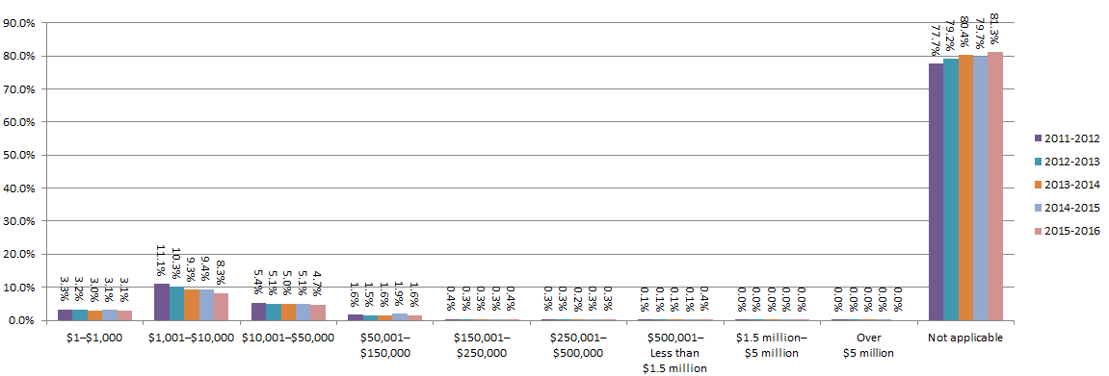

Table 3.3.10.2 - Initial external administrators' reports by unpaid employee entitlements (annual leave), ANNUAL
 | Estimated unpaid employee entitlements for annual leave
Financial year | $1–$1,000 | $1,001–$10,000 | $10,001–$50,000 | $50,001– $150,000 | $150,001– $250,000 | $250,001– $500,000 | $500,001–Less than $1.5 million | $1.5 million– $5 million | Over $5 million | Not applicable | Total
ANNUAL TOTAL
2004-2005 | 208 | 668 | 407 | 91 | 12 | 3 | 3 | 1 | 17 | 3,161 | 4,571
2005-2006 | 260 | 676 | 489 | 120 | 18 | 14 | 2 | 0 | 22 | 4,132 | 5,733
2006-2007 | 258 | 847 | 531 | 123 | 18 | 10 | 3 | 1 | 8 | 5,022 | 6,821
2007-2008 | 217 | 846 | 448 | 107 | 23 | 12 | 4 | 0 | 4 | 5,236 | 6,897
2008-2009 | 192 | 933 | 557 | 164 | 28 | 16 | 11 | 1 | 4 | 5,784 | 7,690
2009-2010 | 217 | 996 | 672 | 210 | 51 | 22 | 15 | 9 | 2 | 5,678 | 7,872
2010-2011 | 205 | 974 | 720 | 216 | 37 | 48 | 16 | 3 | 1 | 5,805 | 8,025
2011-2012 | 232 | 1,098 | 886 | 288 | 54 | 23 | 9 | 5 | 2 | 7,446 | 10,043
2012-2013 | 211 | 936 | 815 | 257 | 42 | 25 | 26 | 6 | 2 | 6,902 | 9,222
2013-2014 | 201 | 851 | 706 | 306 | 62 | 35 | 12 | 6 | 1 | 7,256 | 9,436
2014-2015 | 173 | 776 | 678 | 253 | 49 | 35 | 15 | 2 | 0 | 6,337 | 8,318
2015-2016 | 203 | 762 | 685 | 280 | 47 | 49 | 17 | 1 | 4 | 7,383 | 9,431
ANNUAL PERCENTAGE
2004-2005 | 4.6% | 14.6% | 8.9% | 2.0% | 0.3% | 0.1% | 0.1% | 0.0% | 0.4% | 69.2% | 100.0%
2005-2006 | 4.5% | 11.8% | 8.5% | 2.1% | 0.3% | 0.2% | 0.0% | 0.0% | 0.4% | 72.1% | 100.0%
2006-2007 | 3.8% | 12.4% | 7.8% | 1.8% | 0.3% | 0.1% | 0.0% | 0.0% | 0.1% | 73.6% | 100.0%
2007-2008 | 3.1% | 12.3% | 6.5% | 1.6% | 0.3% | 0.2% | 0.1% | 0.0% | 0.1% | 75.9% | 100.0%
2008-2009 | 2.5% | 12.1% | 7.2% | 2.1% | 0.4% | 0.2% | 0.1% | 0.0% | 0.1% | 75.2% | 100.0%
2009-2010 | 2.8% | 12.7% | 8.5% | 2.7% | 0.6% | 0.3% | 0.2% | 0.1% | 0.0% | 72.1% | 100.0%
2010-2011 | 2.6% | 12.1% | 9.0% | 2.7% | 0.5% | 0.6% | 0.2% | 0.0% | 0.0% | 72.3% | 100.0%
2011-2012 | 2.3% | 10.9% | 8.8% | 2.9% | 0.5% | 0.2% | 0.1% | 0.0% | 0.0% | 74.1% | 100.0%
2012-2013 | 2.3% | 10.1% | 8.8% | 2.8% | 0.5% | 0.3% | 0.3% | 0.1% | 0.0% | 74.8% | 100.0%
2013-2014 | 2.1% | 9.0% | 7.5% | 3.2% | 0.7% | 0.4% | 0.1% | 0.1% | 0.0% | 76.9% | 100.0%
2014-2015 | 2.1% | 9.3% | 8.2% | 3.0% | 0.6% | 0.4% | 0.2% | 0.0% | 0.0% | 76.2% | 100.0%
2015-2016 | 2.2% | 8.1% | 7.3% | 3.0% | 0.5% | 0.5% | 0.2% | 0.0% | 0.0% | 78.3% | 100.0%
CHANGE FROM PREVIOUS FINANCIAL YEAR (%)
2005-2006 | 0.0% | -2.8% | -0.4% | 0.1% | 0.1% | 0.2% | 0.0% | 0.0% | 0.0% | 2.9% | 0.0%
2006-2007 | -0.8% | 0.6% | -0.7% | -0.3% | -0.1% | -0.1% | 0.0% | 0.0% | -0.3% | 1.6% | 0.0%
2007-2008 | -0.6% | -0.2% | -1.3% | -0.3% | 0.1% | 0.0% | 0.0% | 0.0% | -0.1% | 2.3% | 0.0%
2008-2009 | -0.6% | -0.1% | 0.7% | 0.6% | 0.0% | 0.0% | 0.1% | 0.0% | 0.0% | -0.7% | 0.0%
2009-2010 | 0.3% | 0.5% | 1.3% | 0.5% | 0.3% | 0.1% | 0.0% | 0.1% | 0.0% | -3.1% | 0.0%
2010-2011 | -0.2% | -0.5% | 0.4% | 0.0% | -0.2% | 0.3% | 0.0% | -0.1% | 0.0% | 0.2% | 0.0%
2011-2012 | -0.2% | -1.2% | -0.1% | 0.2% | 0.1% | -0.4% | -0.1% | 0.0% | 0.0% | 1.8% | 0.0%
2012-2013 | 0.0% | -0.8% | 0.0% | -0.1% | -0.1% | 0.0% | 0.2% | 0.0% | 0.0% | 0.7% | 0.0%
2013-2014 | -0.2% | -1.1% | -1.4% | 0.5% | 0.2% | 0.1% | -0.2% | 0.0% | 0.0% | 2.1% | 0.0%
2014-2015 | -0.1% | 0.3% | 0.7% | -0.2% | -0.1% | 0.0% | 0.1% | 0.0% | 0.0% | -0.7% | 0.0%
2015-2016 | 0.1% | -1.2% | -0.9% | -0.1% | -0.1% | 0.1% | 0.0% | 0.0% | 0.0% | 2.1% | 0.0%
Note: Reports identified as being internally inconsistent are excluded from this table - the totals may not equal the number of reports for that financial year.

Figure 3.3.10.2 - Initial external administrators' reports by unpaid employee entitlements (annual leave), ANNUAL PERCENTAGE

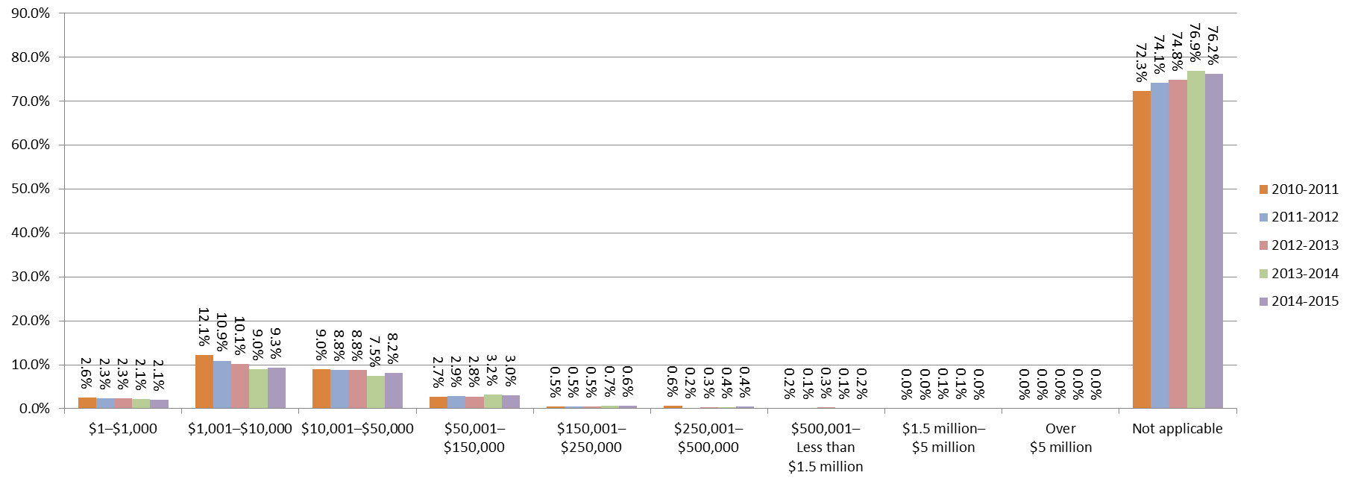

Table 3.3.10.3 - Initial external administrators' reports by unpaid employee entitlements (pay in lieu of notice), ANNUAL
 | Estimated unpaid employee entitlements for pay in lieu of notice
Financial year | $1–$1,000 | $1,001–$10,000 | $10,001–$50,000 | $50,001– $150,000 | $150,001– $250,000 | $250,001– $500,000 | $500,001–Less than $1.5 million | $1.5 million– $5 million | Over $5 million | Not applicable | Total
ANNUAL TOTAL
2004-2005 | 197 | 331 | 194 | 41 | 7 | 4 | 1 | 1 | 20 | 3,775 | 4,571
2005-2006 | 237 | 329 | 232 | 52 | 14 | 5 | 0 | 0 | 25 | 4,839 | 5,733
2006-2007 | 253 | 378 | 255 | 47 | 8 | 4 | 4 | 0 | 4 | 5,868 | 6,821
2007-2008 | 216 | 324 | 204 | 51 | 7 | 3 | 3 | 2 | 9 | 6,078 | 6,897
2008-2009 | 181 | 376 | 283 | 68 | 13 | 14 | 6 | 3 | 6 | 6,740 | 7,690
2009-2010 | 212 | 472 | 362 | 110 | 25 | 10 | 11 | 7 | 9 | 6,654 | 7,872
2010-2011 | 187 | 466 | 376 | 125 | 17 | 39 | 11 | 2 | 4 | 6,798 | 8,025
2011-2012 | 192 | 576 | 474 | 147 | 22 | 20 | 8 | 2 | 3 | 8,599 | 10,043
2012-2013 | 166 | 537 | 494 | 151 | 18 | 11 | 17 | 6 | 3 | 7,819 | 9,222
2013-2014 | 176 | 415 | 445 | 168 | 41 | 19 | 15 | 1 | 2 | 8,154 | 9,436
2014-2015 | 138 | 401 | 406 | 157 | 25 | 27 | 10 | 1 | 1 | 7,152 | 8,318
2015-2016 | 166 | 483 | 426 | 148 | 30 | 33 | 7 | 2 | 4 | 8,132 | 9,431
ANNUAL PERCENTAGE
2004-2005 | 4.3% | 7.2% | 4.2% | 0.9% | 0.2% | 0.1% | 0.0% | 0.0% | 0.4% | 82.6% | 100.0%
2005-2006 | 4.1% | 5.7% | 4.0% | 0.9% | 0.2% | 0.1% | 0.0% | 0.0% | 0.4% | 84.4% | 100.0%
2006-2007 | 3.7% | 5.5% | 3.7% | 0.7% | 0.1% | 0.1% | 0.1% | 0.0% | 0.1% | 86.0% | 100.0%
2007-2008 | 3.1% | 4.7% | 3.0% | 0.7% | 0.1% | 0.0% | 0.0% | 0.0% | 0.1% | 88.1% | 100.0%
2008-2009 | 2.4% | 4.9% | 3.7% | 0.9% | 0.2% | 0.2% | 0.1% | 0.0% | 0.1% | 87.6% | 100.0%
2009-2010 | 2.7% | 6.0% | 4.6% | 1.4% | 0.3% | 0.1% | 0.1% | 0.1% | 0.1% | 84.5% | 100.0%
2010-2011 | 2.3% | 5.8% | 4.7% | 1.6% | 0.2% | 0.5% | 0.1% | 0.0% | 0.0% | 84.7% | 100.0%
2011-2012 | 1.9% | 5.7% | 4.7% | 1.5% | 0.2% | 0.2% | 0.1% | 0.0% | 0.0% | 85.6% | 100.0%
2012-2013 | 1.8% | 5.8% | 5.4% | 1.6% | 0.2% | 0.1% | 0.2% | 0.1% | 0.0% | 84.8% | 100.0%
2013-2014 | 1.9% | 4.4% | 4.7% | 1.8% | 0.4% | 0.2% | 0.2% | 0.0% | 0.0% | 86.4% | 100.0%
2014-2015 | 1.7% | 4.8% | 4.9% | 1.9% | 0.3% | 0.3% | 0.1% | 0.0% | 0.0% | 86.0% | 100.0%
2015-2016 | 1.8% | 5.1% | 4.5% | 1.6% | 0.3% | 0.3% | 0.1% | 0.0% | 0.0% | 86.2% | 100.0%
CHANGE FROM PREVIOUS FINANCIAL YEAR (%)
2005-2006 | -0.2% | -1.5% | -0.2% | 0.0% | 0.1% | 0.0% | 0.0% | 0.0% | 0.0% | 1.8% | 0.0%
2006-2007 | -0.4% | -0.2% | -0.3% | -0.2% | -0.1% | 0.0% | 0.1% | 0.0% | -0.4% | 1.6% | 0.0%
2007-2008 | -0.6% | -0.8% | -0.8% | 0.1% | 0.0% | 0.0% | 0.0% | 0.0% | 0.1% | 2.1% | 0.0%
2008-2009 | -0.8% | 0.2% | 0.7% | 0.1% | 0.1% | 0.1% | 0.0% | 0.0% | -0.1% | -0.5% | 0.0%
2009-2010 | 0.3% | 1.1% | 0.9% | 0.5% | 0.1% | -0.1% | 0.1% | 0.0% | 0.0% | -3.1% | 0.0%
2010-2011 | -0.4% | -0.2% | 0.1% | 0.2% | -0.1% | 0.4% | 0.0% | -0.1% | -0.1% | 0.2% | 0.0%
2011-2012 | -0.4% | -0.1% | 0.0% | -0.1% | 0.0% | -0.3% | -0.1% | 0.0% | 0.0% | 0.9% | 0.0%
2012-2013 | -0.1% | 0.1% | 0.6% | 0.2% | 0.0% | -0.1% | 0.1% | 0.0% | 0.0% | -0.8% | 0.0%
2013-2014 | 0.1% | -1.4% | -0.6% | 0.1% | 0.2% | 0.1% | 0.0% | -0.1% | 0.0% | 1.6% | 0.0%
2014-2015 | -0.2% | 0.4% | 0.2% | 0.1% | -0.1% | 0.1% | 0.0% | 0.0% | 0.0% | -0.4% | 0.0%
2015-2016 | 0.1% | 0.3% | -0.4% | -0.3% | 0.0% | 0.0% | 0.0% | 0.0% | 0.0% | 0.2% | 0.0%
Note: Reports identified as being internally inconsistent are excluded from this table - the totals may not equal the number of reports for that financial year.

Figure 3.3.10.3 - Initial external administrators' reports by unpaid employee entitlements (pay in lieu of notice), ANNUAL PERCENTAGE
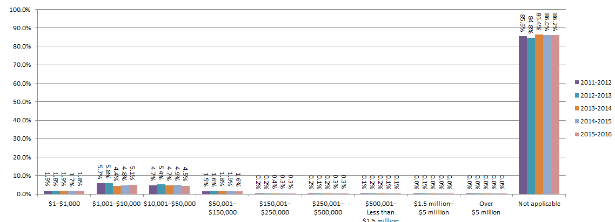

Table 3.3.10.4 - Initial external administrators' reports by unpaid employee entitlements (redundancy), ANNUAL
 | Estimated unpaid employee entitlements for redundancy
Financial year | $1–$1,000 | $1,001–$10,000 | $10,001–$50,000 | $50,001– $150,000 | $150,001– $250,000 | $250,001– $500,000 | $500,001–Less than $1.5 million | $1.5 million– $5 million | Over $5 million | Not applicable | Total
ANNUAL TOTAL
2004-2005 | 168 | 142 | 151 | 58 | 10 | 9 | 7 | 2 | 21 | 4,003 | 4,571
2005-2006 | 209 | 152 | 146 | 64 | 25 | 13 | 9 | 1 | 28 | 5,086 | 5,733
2006-2007 | 218 | 185 | 178 | 70 | 19 | 7 | 8 | 3 | 7 | 6,126 | 6,821
2007-2008 | 186 | 135 | 159 | 75 | 13 | 5 | 7 | 1 | 5 | 6,311 | 6,897
2008-2009 | 139 | 160 | 167 | 84 | 35 | 15 | 9 | 7 | 8 | 7,066 | 7,690
2009-2010 | 189 | 182 | 219 | 126 | 41 | 24 | 21 | 8 | 11 | 7,051 | 7,872
2010-2011 | 150 | 178 | 226 | 146 | 43 | 29 | 21 | 22 | 12 | 7,198 | 8,025
2011-2012 | 148 | 191 | 264 | 189 | 60 | 33 | 3 | 21 | 5 | 9,129 | 10,043
2012-2013 | 134 | 184 | 254 | 193 | 59 | 40 | 12 | 26 | 8 | 8,312 | 9,222
2013-2014 | 135 | 162 | 261 | 201 | 76 | 54 | 24 | 5 | 9 | 8,509 | 9,436
2014-2015 | 113 | 143 | 242 | 165 | 66 | 49 | 27 | 5 | 3 | 7,505 | 8,318
2015-2016 | 138 | 129 | 241 | 145 | 68 | 68 | 23 | 6 | 9 | 8,604 | 9,431
ANNUAL PERCENTAGE
2004-2005 | 3.7% | 3.1% | 3.3% | 1.3% | 0.2% | 0.2% | 0.2% | 0.0% | 0.5% | 87.6% | 100.0%
2005-2006 | 3.6% | 2.7% | 2.5% | 1.1% | 0.4% | 0.2% | 0.2% | 0.0% | 0.5% | 88.7% | 100.0%
2006-2007 | 3.2% | 2.7% | 2.6% | 1.0% | 0.3% | 0.1% | 0.1% | 0.0% | 0.1% | 89.8% | 100.0%
2007-2008 | 2.7% | 2.0% | 2.3% | 1.1% | 0.2% | 0.1% | 0.1% | 0.0% | 0.1% | 91.5% | 100.0%
2008-2009 | 1.8% | 2.1% | 2.2% | 1.1% | 0.5% | 0.2% | 0.1% | 0.1% | 0.1% | 91.9% | 100.0%
2009-2010 | 2.4% | 2.3% | 2.8% | 1.6% | 0.5% | 0.3% | 0.3% | 0.1% | 0.1% | 89.6% | 100.0%
2010-2011 | 1.9% | 2.2% | 2.8% | 1.8% | 0.5% | 0.4% | 0.3% | 0.3% | 0.1% | 89.7% | 100.0%
2011-2012 | 1.5% | 1.9% | 2.6% | 1.9% | 0.6% | 0.3% | 0.0% | 0.2% | 0.0% | 90.9% | 100.0%
2012-2013 | 1.5% | 2.0% | 2.8% | 2.1% | 0.6% | 0.4% | 0.1% | 0.3% | 0.1% | 90.1% | 100.0%
2013-2014 | 1.4% | 1.7% | 2.8% | 2.1% | 0.8% | 0.6% | 0.3% | 0.1% | 0.1% | 90.2% | 100.0%
2014-2015 | 1.4% | 1.7% | 2.9% | 2.0% | 0.8% | 0.6% | 0.3% | 0.1% | 0.0% | 90.2% | 100.0%
2015-2016 | 1.5% | 1.4% | 2.6% | 1.5% | 0.7% | 0.7% | 0.2% | 0.1% | 0.1% | 91.2% | 100.0%
CHANGE FROM PREVIOUS FINANCIAL YEAR (%)
2005-2006 | 0.0% | -0.5% | -0.8% | -0.2% | 0.2% | 0.0% | 0.0% | 0.0% | 0.0% | 1.1% | 0.0%
2006-2007 | -0.4% | 0.1% | 0.1% | -0.1% | -0.2% | -0.1% | 0.0% | 0.0% | -0.4% | 1.1% | 0.0%
2007-2008 | -0.5% | -0.8% | -0.3% | 0.1% | -0.1% | 0.0% | 0.0% | 0.0% | 0.0% | 1.7% | 0.0%
2008-2009 | -0.9% | 0.1% | -0.1% | 0.0% | 0.3% | 0.1% | 0.0% | 0.1% | 0.0% | 0.4% | 0.0%
2009-2010 | 0.6% | 0.2% | 0.6% | 0.5% | 0.1% | 0.1% | 0.1% | 0.0% | 0.0% | -2.3% | 0.0%
2010-2011 | -0.5% | -0.1% | 0.0% | 0.2% | 0.0% | 0.1% | 0.0% | 0.2% | 0.0% | 0.1% | 0.0%
2011-2012 | -0.4% | -0.3% | -0.2% | 0.1% | 0.1% | 0.0% | -0.2% | -0.1% | -0.1% | 1.2% | 0.0%
2012-2013 | 0.0% | 0.1% | 0.1% | 0.2% | 0.0% | 0.1% | 0.1% | 0.1% | 0.0% | -0.8% | 0.0%
2013-2014 | 0.0% | -0.3% | 0.0% | 0.0% | 0.2% | 0.1% | 0.1% | -0.2% | 0.0% | 0.0% | 0.0%
2014-2015 | -0.1% | 0.0% | 0.1% | -0.1% | 0.0% | 0.0% | 0.1% | 0.0% | -0.1% | 0.1% | 0.0%
2015-2016 | 0.1% | -0.4% | -0.4% | -0.4% | -0.1% | 0.1% | -0.1% | 0.0% | 0.1% | 1.0% | 0.0%
Note: Reports identified as being internally inconsistent are excluded from this table - the totals may not equal the number of reports for that financial year.

Figure 3.3.10.4 - Initial external administrators' reports by unpaid employee entitlements (redundancy), ANNUAL PERCENTAGE
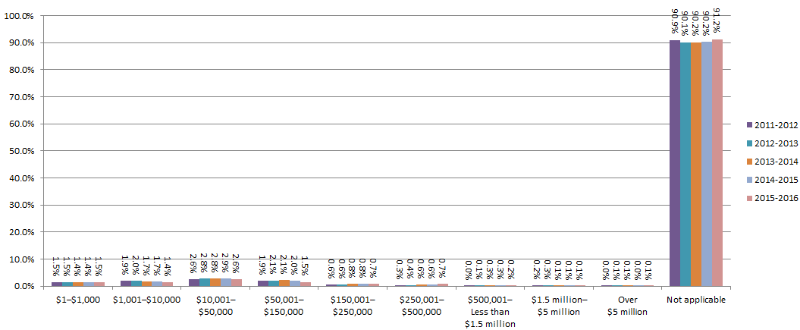

Table 3.3.10.5 - Initial external administrators' reports by unpaid employee entitlements (long service leave), ANNUAL
 | Estimated unpaid employee entitlements for long service leave
Financial year | $1–$1,000 | $1,001–$10,000 | $10,001–$50,000 | $50,001– $150,000 | $150,001– $250,000 | $250,001– $500,000 | $500,001–Less than $1.5 million | $1.5 million– $5 million | Over $5 million | Not applicable | Total
ANNUAL TOTAL
2004-2005 | 167 | 146 | 148 | 36 | 2 | 5 | 2 | 0 | 20 | 4,045 | 4,571
2005-2006 | 198 | 130 | 157 | 45 | 8 | 6 | 0 | 0 | 21 | 5,168 | 5,733
2006-2007 | 228 | 153 | 195 | 41 | 6 | 1 | 3 | 1 | 6 | 6,187 | 6,821
2007-2008 | 183 | 140 | 166 | 41 | 3 | 3 | 0 | 0 | 4 | 6,357 | 6,897
2008-2009 | 134 | 165 | 198 | 58 | 15 | 8 | 6 | 0 | 4 | 7,102 | 7,690
2009-2010 | 191 | 213 | 245 | 72 | 31 | 12 | 7 | 3 | 3 | 7,095 | 7,872
2010-2011 | 154 | 217 | 269 | 102 | 29 | 14 | 9 | 1 | 4 | 7,226 | 8,025
2011-2012 | 160 | 290 | 338 | 111 | 15 | 20 | 6 | 0 | 7 | 9,096 | 10,043
2012-2013 | 145 | 241 | 390 | 116 | 15 | 19 | 12 | 8 | 1 | 8,275 | 9,222
2013-2014 | 144 | 224 | 340 | 152 | 27 | 20 | 4 | 3 | 3 | 8,519 | 9,436
2014-2015 | 127 | 190 | 338 | 136 | 20 | 19 | 9 | 3 | 5 | 7,471 | 8,318
2015-2016 | 150 | 217 | 322 | 115 | 26 | 22 | 10 | 1 | 4 | 8,564 | 9,431
ANNUAL PERCENTAGE
2004-2005 | 3.7% | 3.2% | 3.2% | 0.8% | 0.0% | 0.1% | 0.0% | 0.0% | 0.4% | 88.5% | 100.0%
2005-2006 | 3.5% | 2.3% | 2.7% | 0.8% | 0.1% | 0.1% | 0.0% | 0.0% | 0.4% | 90.1% | 100.0%
2006-2007 | 3.3% | 2.2% | 2.9% | 0.6% | 0.1% | 0.0% | 0.0% | 0.0% | 0.1% | 90.7% | 100.0%
2007-2008 | 2.7% | 2.0% | 2.4% | 0.6% | 0.0% | 0.0% | 0.0% | 0.0% | 0.1% | 92.2% | 100.0%
2008-2009 | 1.7% | 2.1% | 2.6% | 0.8% | 0.2% | 0.1% | 0.1% | 0.0% | 0.1% | 92.4% | 100.0%
2009-2010 | 2.4% | 2.7% | 3.1% | 0.9% | 0.4% | 0.2% | 0.1% | 0.0% | 0.0% | 90.1% | 100.0%
2010-2011 | 1.9% | 2.7% | 3.4% | 1.3% | 0.4% | 0.2% | 0.1% | 0.0% | 0.0% | 90.0% | 100.0%
2011-2012 | 1.6% | 2.9% | 3.4% | 1.1% | 0.1% | 0.2% | 0.1% | 0.0% | 0.1% | 90.6% | 100.0%
2012-2013 | 1.6% | 2.6% | 4.2% | 1.3% | 0.2% | 0.2% | 0.1% | 0.1% | 0.0% | 89.7% | 100.0%
2013-2014 | 1.5% | 2.4% | 3.6% | 1.6% | 0.3% | 0.2% | 0.0% | 0.0% | 0.0% | 90.3% | 100.0%
2014-2015 | 1.5% | 2.3% | 4.1% | 1.6% | 0.2% | 0.2% | 0.1% | 0.0% | 0.1% | 89.8% | 100.0%
2015-2016 | 1.6% | 2.3% | 3.4% | 1.2% | 0.3% | 0.2% | 0.1% | 0.0% | 0.0% | 90.8% | 100.0%
CHANGE FROM PREVIOUS FINANCIAL YEAR (%)
2005-2006 | -0.2% | -0.9% | -0.5% | 0.0% | 0.1% | 0.0% | 0.0% | 0.0% | -0.1% | 1.7% | 0.0%
2006-2007 | -0.1% | 0.0% | 0.1% | -0.2% | -0.1% | -0.1% | 0.0% | 0.0% | -0.3% | 0.6% | 0.0%
2007-2008 | -0.7% | -0.2% | -0.5% | 0.0% | 0.0% | 0.0% | 0.0% | 0.0% | 0.0% | 1.5% | 0.0%
2008-2009 | -0.9% | 0.1% | 0.2% | 0.2% | 0.2% | 0.1% | 0.1% | 0.0% | 0.0% | 0.2% | 0.0%
2009-2010 | 0.7% | 0.6% | 0.5% | 0.2% | 0.2% | 0.0% | 0.0% | 0.0% | 0.0% | -2.2% | 0.0%
2010-2011 | -0.5% | 0.0% | 0.2% | 0.4% | 0.0% | 0.0% | 0.0% | 0.0% | 0.0% | -0.1% | 0.0%
2011-2012 | -0.3% | 0.2% | 0.0% | -0.2% | -0.2% | 0.0% | -0.1% | 0.0% | 0.0% | 0.5% | 0.0%
2012-2013 | 0.0% | -0.3% | 0.9% | 0.2% | 0.0% | 0.0% | 0.1% | 0.1% | -0.1% | -0.8% | 0.0%
2013-2014 | 0.0% | -0.2% | -0.6% | 0.4% | 0.1% | 0.0% | -0.1% | -0.1% | 0.0% | 0.6% | 0.0%
2014-2015 | 0.0% | -0.1% | 0.5% | 0.0% | 0.0% | 0.0% | 0.1% | 0.0% | 0.0% | -0.5% | 0.0%
2015-2016 | 0.1% | 0.0% | -0.6% | -0.4% | 0.0% | 0.0% | 0.0% | 0.0% | 0.0% | 1.0% | 0.0%
Note: Reports identified as being internally inconsistent are excluded from this table - the totals may not equal the number of reports for that financial year.

Figure 3.3.10.5 - Initial external administrators' reports by unpaid employee entitlements (long service leave), ANNUAL PERCENTAGE
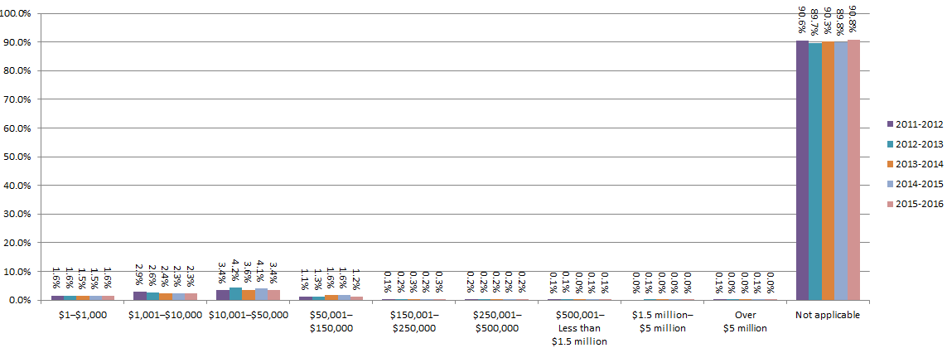

Table 3.3.10.6 - Initial external administrators' reports by unpaid employee entitlements (superannuation), ANNUAL
 | Estimated unpaid employee entitlements for superannuation
Financial year | $1–$100,000 | $100,001– $250,000 | $250,001– $1 million | Over $1 million | Not applicable | Total
ANNUAL TOTAL
2004-2005 | 1,660 | 114 | 25 | 21 | 2,813 | 4,633
2005-2006 | 1,994 | 142 | 28 | 37 | 3,573 | 5,774
2006-2007 | 2,229 | 124 | 29 | 16 | 4,462 | 6,860
2007-2008 | 2,021 | 144 | 32 | 24 | 4,711 | 6,932
2008-2009 | 2,495 | 177 | 46 | 11 | 5,004 | 7,733
2009-2010 | 2,734 | 232 | 72 | 13 | 4,852 | 7,903
2010-2011 | 3,034 | 294 | 90 | 13 | 4,623 | 8,054
2011-2012 | 3,853 | 439 | 144 | 24 | 5,614 | 10,074
2012-2013 | 3,548 | 382 | 113 | 17 | 5,193 | 9,253
2013-2014 | 3,368 | 400 | 148 | 17 | 5,526 | 9,459
2014-2015 | 3,005 | 411 | 126 | 16 | 4,796 | 8,354
2015-2016 | 3,051 | 468 | 171 | 19 | 5,756 | 9,465
ANNUAL PERCENTAGE
2004-2005 | 35.8% | 2.5% | 0.5% | 0.5% | 60.7% | 100.0%
2005-2006 | 34.5% | 2.5% | 0.5% | 0.6% | 61.9% | 100.0%
2006-2007 | 32.5% | 1.8% | 0.4% | 0.2% | 65.0% | 100.0%
2007-2008 | 29.2% | 2.1% | 0.5% | 0.3% | 68.0% | 100.0%
2008-2009 | 32.3% | 2.3% | 0.6% | 0.1% | 64.7% | 100.0%
2009-2010 | 34.6% | 2.9% | 0.9% | 0.2% | 61.4% | 100.0%
2010-2011 | 37.7% | 3.7% | 1.1% | 0.2% | 57.4% | 100.0%
2011-2012 | 38.2% | 4.4% | 1.4% | 0.2% | 55.7% | 100.0%
2012-2013 | 38.3% | 4.1% | 1.2% | 0.2% | 56.1% | 100.0%
2013-2014 | 35.6% | 4.2% | 1.6% | 0.2% | 58.4% | 100.0%
2014-2015 | 36.0% | 4.9% | 1.5% | 0.2% | 57.4% | 100.0%
2015-2016 | 32.2% | 4.9% | 1.8% | 0.2% | 60.8% | 100.0%
CHANGE FROM PREVIOUS FINANCIAL YEAR (%)
2005-2006 | -1.3% | 0.0% | -0.1% | 0.2% | 1.2% | 0.0%
2006-2007 | -2.0% | -0.7% | -0.1% | -0.4% | 3.2% | 0.0%
2007-2008 | -3.3% | 0.3% | 0.0% | 0.1% | 2.9% | 0.0%
2008-2009 | 3.1% | 0.2% | 0.1% | -0.2% | -3.3% | 0.0%
2009-2010 | 2.3% | 0.6% | 0.3% | 0.0% | -3.3% | 0.0%
2010-2011 | 3.1% | 0.7% | 0.2% | 0.0% | -4.0% | 0.0%
2011-2012 | 0.6% | 0.7% | 0.3% | 0.1% | -1.7% | 0.0%
2012-2013 | 0.1% | -0.2% | -0.2% | -0.1% | 0.4% | 0.0%
2013-2014 | -2.7% | 0.1% | 0.3% | 0.0% | 2.3% | 0.0%
2014-2015 | 0.4% | 0.7% | -0.1% | 0.0% | -1.0% | 0.0%
2015-2016 | -3.7% | 0.0% | 0.3% | 0.0% | 3.4% | 0.0%
Note 1: Reports identified as being internally inconsistent are excluded from this table - the totals may not equal the number of reports for that financial year.
Note 2: Amendments to the external administrator report implemented 29 September 2006 changed the '$0-$100,000' category to '$1-$100,000'. These categories have been grouped to assist comparison.

Figure 3.3.10.6 - Initial external administrators' reports by unpaid employee entitlements (superannuation), ANNUAL PERCENTAGE
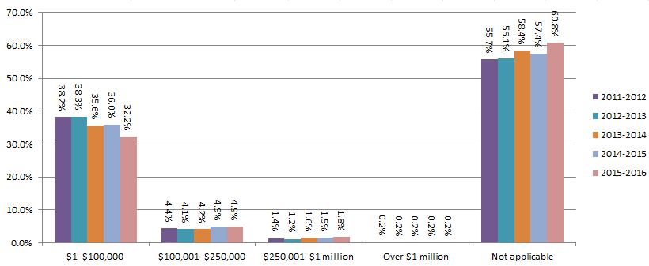

© Australian Securities & Investments Commission

3.3.11
Australian insolvency statistics
Released: December 2016
Table 3.3.11 - Initial external administrators' reports by secured creditors, ANNUAL
 | Amount owed to secured creditors
Financial year | $0 | $1–less than $500,000 | $500,001–less than $1 million | Under $1 million | $1 million–less than $5 million | $5 million– $10 million | Over $10 million | No. of reports
ANNUAL TOTAL
2004-2005 | 3,053 |  |  | 1,306 | 170 | 41 | 78 | 4,648
2005-2006 | 3,980 |  |  | 1,462 | 189 | 61 | 93 | 5,785
2006-2007 | 5,013 | 878 | 154 | 452 | 251 | 59 | 58 | 6,865
2007-2008 | 5,047 | 1,302 | 206 |  | 268 | 52 | 58 | 6,933
2008-2009 | 5,424 | 1,387 | 240 |  | 387 | 72 | 223 | 7,733
2009-2010 | 5,258 | 1,487 | 311 |  | 439 | 133 | 275 | 7,903
2010-2011 | 5,392 | 1,563 | 300 |  | 458 | 129 | 212 | 8,054
2011-2012 | 6,775 | 1,989 | 343 |  | 586 | 133 | 248 | 10,074
2012-2013 | 6,341 | 1,735 | 239 |  | 529 | 114 | 296 | 9,254
2013-2014 | 6,469 | 1,835 | 310 |  | 499 | 113 | 233 | 9,459
2014-2015 | 5,645 | 1,739 | 267 |  | 457 | 101 | 145 | 8,354
2015-2016 | 6,550 | 2,065 | 267 |  | 378 | 77 | 128 | 9,465
ANNUAL PERCENTAGE
2004-2005 | 65.7% |  |  | 28.1% | 3.7% | 0.9% | 1.7% | 100.0%
2005-2006 | 68.8% |  |  | 25.3% | 3.3% | 1.1% | 1.6% | 100.0%
2006-2007 | 73.0% | 12.8% | 2.2% | 6.6% | 3.7% | 0.9% | 0.8% | 100.0%
2007-2008 | 72.8% | 18.8% | 3.0% |  | 3.9% | 0.8% | 0.8% | 100.0%
2008-2009 | 70.1% | 17.9% | 3.1% |  | 5.0% | 0.9% | 2.9% | 100.0%
2009-2010 | 66.5% | 18.8% | 3.9% |  | 5.6% | 1.7% | 3.5% | 100.0%
2010-2011 | 66.9% | 19.4% | 3.7% |  | 5.7% | 1.6% | 2.6% | 100.0%
2011-2012 | 67.3% | 19.7% | 3.4% |  | 5.8% | 1.3% | 2.5% | 100.0%
2012-2013 | 68.5% | 18.7% | 2.6% |  | 5.7% | 1.2% | 3.2% | 100.0%
2013-2014 | 68.4% | 19.4% | 3.3% |  | 5.3% | 1.2% | 2.5% | 100.0%
2014-2015 | 67.6% | 20.8% | 3.2% |  | 5.5% | 1.2% | 1.7% | 100.0%
2015-2016 | 69.2% | 21.8% | 2.8% |  | 4.0% | 0.8% | 1.4% | 100.0%
CHANGE FROM PREVIOUS FINANCIAL YEAR (%)
2005-2006 | 3.1% |  |  | -2.8% | -0.4% | 0.2% | -0.1% | 0.0%
2006-2007 | 4.2% | 12.8% | 2.2% | -18.7% | 0.4% | -0.2% | -0.8% | 0.0%
2007-2008 | -0.2% | 6.0% | 0.7% | -6.6% | 0.2% | -0.1% | 0.0% | 0.0%
2008-2009 | -2.7% | -0.8% | 0.1% |  | 1.1% | 0.2% | 2.0% | 0.0%
2009-2010 | -3.6% | 0.9% | 0.8% |  | 0.6% | 0.8% | 0.6% | 0.0%
2010-2011 | 0.4% | 0.6% | -0.2% |  | 0.1% | -0.1% | -0.8% | 0.0%
2011-2012 | 0.3% | 0.3% | -0.3% |  | 0.1% | -0.3% | -0.2% | 0.0%
2012-2013 | 1.3% | -1.0% | -0.8% |  | -0.1% | -0.1% | 0.7% | 0.0%
2013-2014 | -0.1% | 0.7% | 0.7% |  | -0.4% | 0.0% | -0.7% | 0.0%
2014-2015 | -0.8% | 1.4% | -0.1% |  | 0.2% | 0.0% | -0.7% | 0.0%
2015-2016 | 1.6% | 1.0% | -0.4% |  | -1.5% | -0.4% | -0.4% | 0.0%
Note: Amendments to the external administrator report implemented 29/9/2006 broke down the 'Under $1 million' category into $1-less than $500,000' and '$500,000-less than $1 million'.

Figure 3.3.11 - Initial external administrators' reports by secured creditors, ANNUAL PERCENTAGE
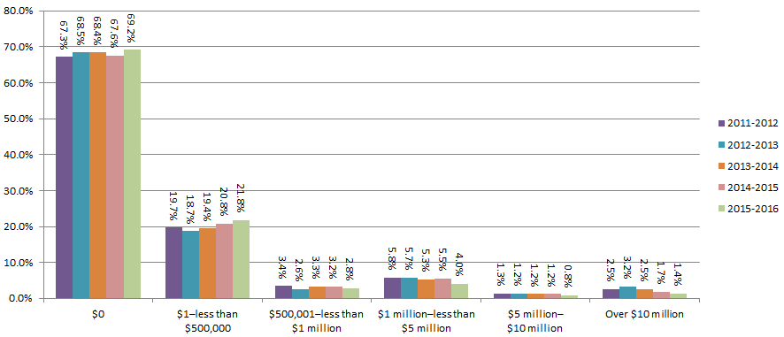

© Australian Securities & Investments Commission

3.3.12
Australian insolvency statistics
Released: December 2016
Table 3.3.12 - Initial external administrators' reports by unpaid taxes and charges, ANNUAL
 | Unpaid taxes and other statutory debts
Financial year | $0 | $0–$250,000 | $1–$250,000 | $250,001– $1 million | Over $1 million | No. of reports
ANNUAL TOTAL
2004-2005 |  | 4,160 |  | 386 | 102 | 4,648
2005-2006 |  | 5,107 |  | 564 | 114 | 5,785
2006-2007 | 844 | 1,760 | 3,564 | 583 | 114 | 6,865
2007-2008 | 1,296 |  | 4,875 | 635 | 127 | 6,933
2008-2009 | 1,754 |  | 5,150 | 668 | 161 | 7,733
2009-2010 | 1,863 |  | 5,062 | 787 | 191 | 7,903
2010-2011 | 1,518 |  | 5,309 | 992 | 235 | 8,054
2011-2012 | 1,480 |  | 6,823 | 1,419 | 352 | 10,074
2012-2013 | 1,436 |  | 6,240 | 1,260 | 318 | 9,254
2013-2014 | 1,417 |  | 6,310 | 1,410 | 322 | 9,459
2014-2015 | 1,231 |  | 5,445 | 1,362 | 316 | 8,354
2015-2016 | 1,222 |  | 6,457 | 1,405 | 381 | 9,465
ANNUAL PERCENTAGE
2004-2005 |  | 89.5% |  | 8.3% | 2.2% | 100.0%
2005-2006 |  | 88.3% |  | 9.7% | 2.0% | 100.0%
2006-2007 | 12.3% | 25.6% | 51.9% | 8.5% | 1.7% | 100.0%
2007-2008 | 18.7% |  | 70.3% | 9.2% | 1.8% | 100.0%
2008-2009 | 22.7% |  | 66.6% | 8.6% | 2.1% | 100.0%
2009-2010 | 23.6% |  | 64.1% | 10.0% | 2.4% | 100.0%
2010-2011 | 18.8% |  | 65.9% | 12.3% | 2.9% | 100.0%
2011-2012 | 14.7% |  | 67.7% | 14.1% | 3.5% | 100.0%
2012-2013 | 15.5% |  | 67.4% | 13.6% | 3.4% | 100.0%
2013-2014 | 15.0% |  | 66.7% | 14.9% | 3.4% | 100.0%
2014-2015 | 14.7% |  | 65.2% | 16.3% | 3.8% | 100.0%
2015-2016 | 12.9% |  | 68.2% | 14.8% | 4.0% | 100.0%
CHANGE FROM PREVIOUS FINANCIAL YEAR (%)
2005-2006 |  | -1.2% |  | 1.4% | -0.2% | 0.0%
2006-2007 | 12.3% | -62.6% | 51.9% | -1.3% | -0.3% | 0.0%
2007-2008 | 6.4% | -25.6% | 18.4% | 0.7% | 0.2% | 0.0%
2008-2009 | 4.0% |  | -3.7% | -0.5% | 0.3% | 0.0%
2009-2010 | 0.9% |  | -2.5% | 1.3% | 0.3% | 0.0%
2010-2011 | -4.7% |  | 1.9% | 2.4% | 0.5% | 0.0%
2011-2012 | -4.2% |  | 1.8% | 1.8% | 0.6% | 0.0%
2012-2013 | 0.8% |  | -0.3% | -0.5% | -0.1% | 0.0%
2013-2014 | -0.5% |  | -0.7% | 1.3% | 0.0% | 0.0%
2014-2015 | -0.2% |  | -1.5% | 1.4% | 0.4% | 0.0%
2015-2016 | -1.8% |  | 3.0% | -1.5% | 0.2% | 0.0%
Note: Amendments to the external administrator report implemented 29/9/2006 broke down the '$0-$250,000' category into '$0' and '$1-$250,000'.

Figure 3.3.12 - Initial external administrators' reports by unpaid taxes and charges, ANNUAL PERCENTAGE

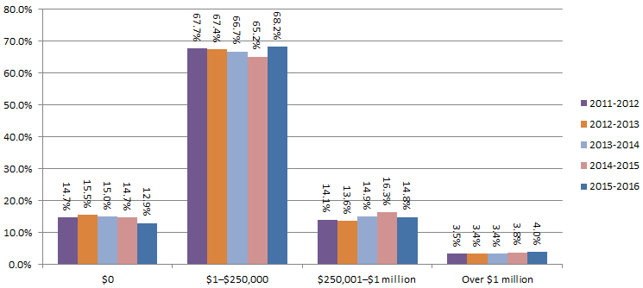

© Australian Securities & Investments Commission

3.3.13
Australian insolvency statistics
Released: December 2016
Table 3.3.13 - Initial external administrators' reports by unsecured creditors - ANNUAL
 | Number of unsecured creditors (1) |  |  |  |  |  | Amount owed to unsecured creditors |  |  |  |  |  | More than 50% of debt owed to related parties | Estimated 'cents in the $' dividend to unsecured creditors (2) |  |  |  |  |  | No. of reports
Financial year | Less than 25 | 25–50 | Less than 50 | 51–200 | More than 200 | Unknown | $0–$250,000 | $250,001– $500,000 | $500,001– less than $1 million | $1 million– less than $5 million | $5 million– $10 million | Over $10 million |  | 0 | Greater than 0 but less than 11 cents | 0–10 cents | 11–20 cents | 21–50 cents | 51–100 cents
ANNUAL TOTAL
2004-2005 |  |  | 3,942 | 539 | 49 | 118 | 3,125 | 673 | 413 | 353 | 43 | 41 | 792 |  |  | 4,409 | 101 | 78 | 60 | 4,648
2005-2006 |  |  | 5,053 | 554 | 46 | 132 | 3,974 | 781 | 483 | 441 | 51 | 55 | 1,034 |  |  | 5,529 | 96 | 102 | 58 | 5,785
2006-2007 | 3,715 | 594 | 1,717 | 583 | 71 | 185 | 4,741 | 904 | 578 | 538 | 43 | 61 | 1,209 | 4,300 | 417 | 1,855 | 105 | 106 | 82 | 6,865
2007-2008 | 5,360 | 783 |  | 580 | 39 | 171 | 4,734 | 938 | 575 | 570 | 66 | 50 | 1,178 | 6,309 | 372 |  | 84 | 99 | 69 | 6,933
2008-2009 | 5,877 | 814 |  | 684 | 80 | 278 | 5,127 | 1,030 | 693 | 681 | 98 | 104 | 1,428 | 7,148 | 381 |  | 70 | 79 | 55 | 7,733
2009-2010 | 5,905 | 912 |  | 793 | 85 | 208 | 4,714 | 1,128 | 870 | 885 | 137 | 169 | 1,484 | 7,340 | 344 |  | 75 | 96 | 48 | 7,903
2010-2011 | 6,100 | 946 |  | 736 | 107 | 165 | 4,932 | 1,159 | 836 | 876 | 102 | 149 | 1,478 | 7,427 | 369 |  | 105 | 89 | 64 | 8,054
2011-2012 | 7,644 | 1,173 |  | 927 | 96 | 234 | 6,068 | 1,428 | 1,086 | 1,209 | 147 | 136 | 2,002 | 9,353 | 471 |  | 93 | 94 | 63 | 10,074
2012-2013 | 7,204 | 976 |  | 747 | 155 | 172 | 5,707 | 1,326 | 936 | 959 | 136 | 190 | 1,699 | 8,551 | 467 |  | 82 | 92 | 62 | 9,254
2013-2014 | 7,522 | 953 |  | 738 | 84 | 162 | 5,960 | 1,274 | 932 | 990 | 169 | 134 | 1,859 | 8,777 | 394 |  | 112 | 94 | 82 | 9,459
2014-2015 | 6,603 | 826 |  | 641 | 96 | 188 | 5,234 | 1,157 | 857 | 876 | 119 | 111 | 1,662 | 7,761 | 347 |  | 75 | 94 | 77 | 8,354
2015-2016 | 7,699 | 845 |  | 569 | 135 | 217 | 6,324 | 1,131 | 852 | 887 | 125 | 146 | 1,770 | 8,696 | 451 |  | 98 | 117 | 103 | 9,465
ANNUAL PERCENTAGE
2004-2005 |  |  | 84.8% | 11.6% | 1.1% | 2.5% | 67.2% | 14.5% | 8.9% | 7.6% | 0.9% | 0.9% | 17.0% |  |  | 94.9% | 2.2% | 1.7% | 1.3% | 100.0%
2005-2006 |  |  | 87.3% | 9.6% | 0.8% | 2.3% | 68.7% | 13.5% | 8.3% | 7.6% | 0.9% | 1.0% | 17.9% |  |  | 95.6% | 1.7% | 1.8% | 1.0% | 100.0%
2006-2007 | 54.1% | 8.7% | 25.0% | 8.5% | 1.0% | 2.7% | 69.1% | 13.2% | 8.4% | 7.8% | 0.6% | 0.9% | 17.6% | 62.6% | 6.1% | 27.0% | 1.5% | 1.5% | 1.2% | 100.0%
2007-2008 | 77.3% | 11.3% |  | 8.4% | 0.6% | 2.5% | 68.3% | 13.5% | 8.3% | 8.2% | 1.0% | 0.7% | 17.0% | 91.0% | 5.4% |  | 1.2% | 1.4% | 1.0% | 100.0%
2008-2009 | 76.0% | 10.5% |  | 8.8% | 1.0% | 3.6% | 66.3% | 13.3% | 9.0% | 8.8% | 1.3% | 1.3% | 18.5% | 92.4% | 4.9% |  | 0.9% | 1.0% | 0.7% | 100.0%
2009-2010 | 74.7% | 11.5% |  | 10.0% | 1.1% | 2.6% | 59.6% | 14.3% | 11.0% | 11.2% | 1.7% | 2.1% | 18.8% | 92.9% | 4.4% |  | 0.9% | 1.2% | 0.6% | 100.0%
2010-2011 | 75.7% | 11.7% |  | 9.1% | 1.3% | 2.0% | 61.2% | 14.4% | 10.4% | 10.9% | 1.3% | 1.9% | 18.4% | 92.2% | 4.6% |  | 1.3% | 1.1% | 0.8% | 100.0%
2011-2012 | 75.9% | 11.6% |  | 9.2% | 1.0% | 2.3% | 60.2% | 14.2% | 10.8% | 12.0% | 1.5% | 1.4% | 19.9% | 92.8% | 4.7% |  | 0.9% | 0.9% | 0.6% | 100.0%
2012-2013 | 77.8% | 10.5% |  | 8.1% | 1.7% | 1.9% | 61.7% | 14.3% | 10.1% | 10.4% | 1.5% | 2.1% | 18.4% | 92.4% | 5.0% |  | 0.9% | 1.0% | 0.7% | 100.0%
2013-2014 | 79.5% | 10.1% |  | 7.8% | 0.9% | 1.7% | 63.0% | 13.5% | 9.9% | 10.5% | 1.8% | 1.4% | 19.7% | 92.8% | 4.2% |  | 1.2% | 1.0% | 0.9% | 100.0%
2014-2015 | 79.0% | 9.9% | 0.0% | 7.7% | 1.1% | 2.3% | 62.7% | 13.8% | 10.3% | 10.5% | 1.4% | 1.3% | 19.9% | 92.9% | 4.2% | 0.0% | 0.9% | 1.1% | 0.9% | 100.0%
2015-2016 | 81.3% | 8.9% | 0.0% | 6.0% | 1.4% | 2.3% | 66.8% | 11.9% | 9.0% | 9.4% | 1.3% | 1.5% | 18.7% | 91.9% | 4.8% | 0.0% | 1.0% | 1.2% | 1.1% | 100.0%
CHANGE FROM PREVIOUS FINANCIAL YEAR (%)
2005-2006 |  |  | 2.5% | -2.0% | -0.3% | -0.3% | 1.5% | -1.0% | -0.5% | 0.0% | 0.0% | 0.1% | 0.8% |  |  | 0.7% | -0.5% | 0.1% | -0.3% | 0.0%
2006-2007 | 54.1% | 8.7% | -62.3% | -1.1% | 0.2% | 0.4% | 0.4% | -0.3% | 0.1% | 0.2% | -0.3% | -0.1% | -0.3% | 62.6% | 6.1% | -68.6% | -0.1% | -0.2% | 0.2% | 0.0%
2007-2008 | 23.2% | 2.6% | -25.0% | -0.1% | -0.5% | -0.2% | -0.8% | 0.4% | -0.1% | 0.4% | 0.3% | -0.2% | -0.6% | 28.4% | -0.7% | -27.0% | -0.3% | -0.1% | -0.2% | 0.0%
2008-2009 | -1.3% | -0.8% |  | 0.5% | 0.5% | 1.1% | -2.0% | -0.2% | 0.7% | 0.6% | 0.3% | 0.6% | 1.5% | 1.4% | -0.4% |  | -0.3% | -0.4% | -0.3% | 0.0%
2009-2010 | -1.3% | 1.0% |  | 1.2% | 0.0% | -1.0% | -6.7% | 1.0% | 2.0% | 2.4% | 0.5% | 0.8% | 0.3% | 0.4% | -0.6% |  | 0.0% | 0.2% | -0.1% | 0.0%
2010-2011 | 1.0% | 0.2% |  | -0.9% | 0.3% | -0.6% | 1.6% | 0.1% | -0.6% | -0.3% | -0.5% | -0.3% | -0.4% | -0.7% | 0.2% |  | 0.4% | -0.1% | 0.2% | 0.0%
2011-2012 | 0.1% | -0.1% |  | 0.1% | -0.4% | 0.3% | -1.0% | -0.2% | 0.4% | 1.1% | 0.2% | -0.5% | 1.5% | 0.6% | 0.1% |  | -0.4% | -0.2% | -0.2% | 0.0%
2012-2013 | 2.0% | -1.1% |  | -1.1% | 0.7% | -0.5% | 1.4% | 0.2% | -0.7% | -1.6% | 0.0% | 0.7% | -1.5% | -0.4% | 0.4% |  | 0.0% | 0.1% | 0.0% | 0.0%
2013-2014 | 1.7% | -0.5% |  | -0.3% | -0.8% | -0.1% | 1.3% | -0.9% | -0.3% | 0.1% | 0.3% | -0.6% | 1.3% | 0.4% | -0.9% |  | 0.3% | 0.0% | 0.2% | 0.0%
2014-2015 | -0.5% | -0.2% | 0.0% | -0.1% | 0.3% | 0.5% | -0.4% | 0.4% | 0.4% | 0.0% | -0.4% | -0.1% | 0.2% | 0.1% | 0.0% | 0.0% | -0.3% | 0.1% | 0.1% | 0.0%
2015-2016 | 2.3% | -1.0% | 0.0% | -1.7% | 0.3% | 0.0% | 4.2% | -1.9% | -1.3% | -1.1% | -0.1% | 0.2% | -1.2% | -1.0% | 0.6% | 0.0% | 0.1% | 0.1% | 0.2% | 0.0%
Note (1): Amendments to the external administrator report implemented 29/9/2006 broke down the number of unsecured creditors category 'Less than 50' into 'Less than 25' and '25-50.
Note (2): Amendments to the external administrator report implemented 29/9/2006 broke down the cents in the dollar dividend to unsecured creditors category '0-10 cents' into '0 cents' and 'Greater than 0 and less than 11 cents'.

Figure 3.3.13.1 - Initial external administrators' reports by unsecured creditors - number, ANNUAL PERCENTAGE
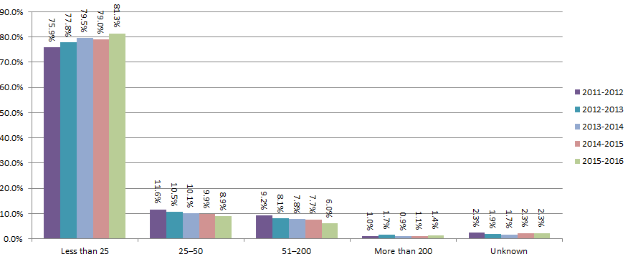

Figure 3.3.13.2 - Initial external administrators' reports by unsecured creditors - amount, ANNUAL PERCENTAGE
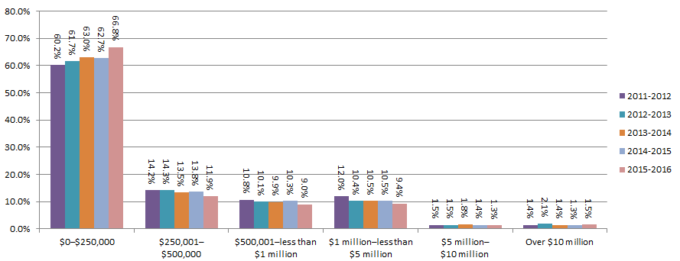

Figure 3.3.13.3 - Initial external administrators' reports by unsecured creditors - more than 50% owed to related parties, ANNUAL PERCENTAGE
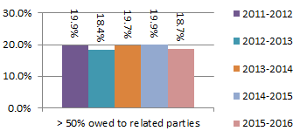

Figure 3.3.13.4 - Initial external administrators' reports by unsecured creditors - cents in the dollar dividend, ANNUAL PERCENTAGE
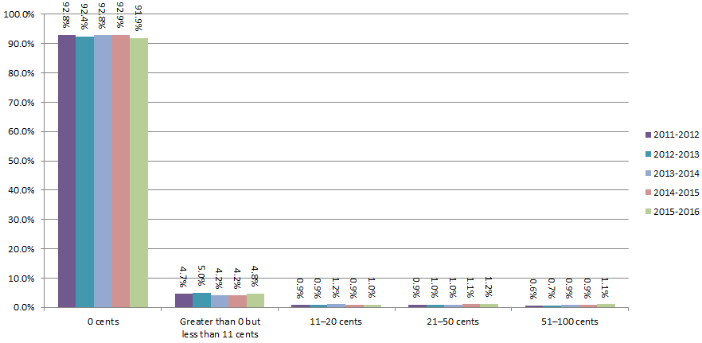

© Australian Securities & Investments Commission

3.3.14
Australian insolvency statistics
Released: December 2016
Table 3.3.14 - Initial external administrators' reports by completion of external administration, ANNUAL
 | Expected time to complete external administration
Financial year | 0–less than 3 months | 3–less than 6 months | 6 months–1 year | Over 1 year | No. of reports
ANNUAL TOTAL
2004-2005 | 2,088 | 1,446 | 820 | 294 | 4,648
2005-2006 | 2,338 | 1,881 | 1,170 | 396 | 5,785
2006-2007 | 2,840 | 2,154 | 1,361 | 510 | 6,865
2007-2008 | 2,811 | 2,289 | 1,418 | 415 | 6,933
2008-2009 | 2,828 | 2,764 | 1,680 | 461 | 7,733
2009-2010 | 2,927 | 2,616 | 1,753 | 607 | 7,903
2010-2011 | 3,286 | 2,332 | 1,834 | 602 | 8,054
2011-2012 | 3,709 | 3,085 | 2,576 | 704 | 10,074
2012-2013 | 3,554 | 2,708 | 2,257 | 735 | 9,254
2013-2014 | 3,476 | 3,069 | 2,207 | 707 | 9,459
2014-2015 | 3,001 | 2,777 | 1,911 | 665 | 8,354
2015-2016 | 3,217 | 3,180 | 2,227 | 841 | 9,465
ANNUAL PERCENTAGE
2004-2005 | 44.9% | 31.1% | 17.6% | 6.3% | 100.0%
2005-2006 | 40.4% | 32.5% | 20.2% | 6.8% | 100.0%
2006-2007 | 41.4% | 31.4% | 19.8% | 7.4% | 100.0%
2007-2008 | 40.5% | 33.0% | 20.5% | 6.0% | 100.0%
2008-2009 | 36.6% | 35.7% | 21.7% | 6.0% | 100.0%
2009-2010 | 37.0% | 33.1% | 22.2% | 7.7% | 100.0%
2010-2011 | 40.8% | 29.0% | 22.8% | 7.5% | 100.0%
2011-2012 | 36.8% | 30.6% | 25.6% | 7.0% | 100.0%
2012-2013 | 38.4% | 29.3% | 24.4% | 7.9% | 100.0%
2013-2014 | 36.7% | 32.4% | 23.3% | 7.5% | 100.0%
2014-2015 | 35.9% | 33.2% | 22.9% | 8.0% | 100.0%
2015-2016 | 34.0% | 33.6% | 23.5% | 8.9% | 100.0%
CHANGE FROM PREVIOUS FINANCIAL YEAR (%)
2005-2006 | -4.5% | 1.4% | 2.6% | 0.5% | 0.0%
2006-2007 | 1.0% | -1.1% | -0.4% | 0.6% | 0.0%
2007-2008 | -0.8% | 1.6% | 0.6% | -1.4% | 0.0%
2008-2009 | -4.0% | 2.7% | 1.3% | 0.0% | 0.0%
2009-2010 | 0.5% | -2.6% | 0.5% | 1.7% | 0.0%
2010-2011 | 3.8% | -4.1% | 0.6% | -0.2% | 0.0%
2011-2012 | -4.0% | 1.7% | 2.8% | -0.5% | 0.0%
2012-2013 | 1.6% | -1.4% | -1.2% | 1.0% | 0.0%
2013-2014 | -1.7% | 3.2% | -1.1% | -0.5% | 0.0%
2014-2015 | -0.8% | 0.8% | -0.5% | 0.5% | 0.0%
2015-2016 | -1.9% | 0.4% | 0.7% | 0.9% | 0.0%

Figure 3.3.14 - Initial external administrators' reports by completion of external administration, ANNUAL PERCENTAGE
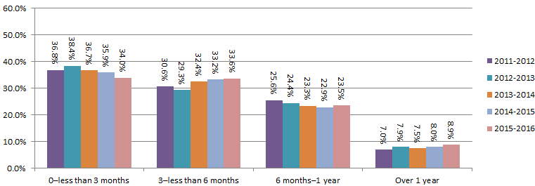

© Australian Securities & Investments Commission

3.3.15.1-3.3.15.4
Australian insolvency statistics
Released: December 2016
Table 3.3.15.1 - Initial external administrators' reports by remuneration of voluntary administrator, ANNUAL
 | Estimated collectible voluntary administrator fees (including GST)
Financial year | $0 | $1–$50,000 | $50,001– $100,000 | $100,001– $250,000 | Over $250,000 | Not applicable | No. of reports
ANNUAL TOTAL
2004-2005 | 1,065 | 1,301 | 124 | 36 | 14 | 2,108 | 4,648
2005-2006 | 1,465 | 1,566 | 104 | 59 | 17 | 2,574 | 5,785
2006-2007 | 1,972 | 1,650 | 144 | 54 | 17 | 3,028 | 6,865
2007-2008 | 1,362 | 1,417 | 149 | 41 | 19 | 3,945 | 6,933
2008-2009 | 992 | 1,066 | 156 | 57 | 31 | 5,431 | 7,733
2009-2010 | 906 | 873 | 175 | 83 | 37 | 5,829 | 7,903
2010-2011 | 797 | 778 | 185 | 96 | 59 | 6,139 | 8,054
2011-2012 | 1,069 | 900 | 174 | 85 | 54 | 7,792 | 10,074
2012-2013 | 846 | 785 | 163 | 117 | 52 | 7,291 | 9,254
2013-2014 | 885 | 727 | 207 | 108 | 38 | 7,494 | 9,459
2014-2015 | 821 | 592 | 210 | 127 | 44 | 6,560 | 8,354
2015-2016 | 808 | 674 | 219 | 124 | 85 | 7,555 | 9,465
ANNUAL PERCENTAGE
2004-2005 | 22.9% | 28.0% | 2.7% | 0.8% | 0.3% | 45.4% | 100.0%
2005-2006 | 25.3% | 27.1% | 1.8% | 1.0% | 0.3% | 44.5% | 100.0%
2006-2007 | 28.7% | 24.0% | 2.1% | 0.8% | 0.2% | 44.1% | 100.0%
2007-2008 | 19.6% | 20.4% | 2.1% | 0.6% | 0.3% | 56.9% | 100.0%
2008-2009 | 12.8% | 13.8% | 2.0% | 0.7% | 0.4% | 70.2% | 100.0%
2009-2010 | 11.5% | 11.0% | 2.2% | 1.1% | 0.5% | 73.8% | 100.0%
2010-2011 | 9.9% | 9.7% | 2.3% | 1.2% | 0.7% | 76.2% | 100.0%
2011-2012 | 10.6% | 8.9% | 1.7% | 0.8% | 0.5% | 77.3% | 100.0%
2012-2013 | 9.1% | 8.5% | 1.8% | 1.3% | 0.6% | 78.8% | 100.0%
2013-2014 | 9.4% | 7.7% | 2.2% | 1.1% | 0.4% | 79.2% | 100.0%
2014-2015 | 9.8% | 7.1% | 2.5% | 1.5% | 0.5% | 78.5% | 100.0%
2015-2016 | 8.5% | 7.1% | 2.3% | 1.3% | 0.9% | 79.8% | 100.0%
CHANGE FROM PREVIOUS FINANCIAL YEAR (%)
2005-2006 | 2.4% | -0.9% | -0.9% | 0.2% | 0.0% | -0.9% | 0.0%
2006-2007 | 3.4% | -3.0% | 0.3% | -0.2% | 0.0% | -0.4% | 0.0%
2007-2008 | -9.1% | -3.6% | 0.1% | -0.2% | 0.0% | 12.8% | 0.0%
2008-2009 | -6.8% | -6.7% | -0.1% | 0.1% | 0.1% | 13.3% | 0.0%
2009-2010 | -1.4% | -2.7% | 0.2% | 0.3% | 0.1% | 3.5% | 0.0%
2010-2011 | -1.6% | -1.4% | 0.1% | 0.1% | 0.3% | 2.5% | 0.0%
2011-2012 | 0.7% | -0.7% | -0.6% | -0.3% | -0.2% | 1.1% | 0.0%
2012-2013 | -1.5% | -0.5% | 0.0% | 0.4% | 0.0% | 1.4% | 0.0%
2013-2014 | 0.2% | -0.8% | 0.4% | -0.1% | -0.2% | 0.4% | 0.0%
2014-2015 | 0.5% | -0.6% | 0.3% | 0.4% | 0.1% | -0.7% | 0.0%
2015-2016 | -1.3% | 0.0% | -0.2% | -0.2% | 0.4% | 1.3% | 0.0%
Note: Amendments to the external administrator report implemented 29 September 2006 created a new category for 'Not applicable'. To assist comparison for the period before this category was introduced, the 'Not applicable' category has been adjusted to reconcile to the total number of initial external administrators' reports.

Figure 3.3.15.1 - Initial external administrators' reports by remuneration of voluntary administrator, ANNUAL PERCENTAGE

Table 3.3.15.2 - Initial external administrators' reports by remuneration of deed administrator, ANNUAL
 | Estimated collectible administrator of company arrangement fees (including GST)
Financial year | $0 | $1–$50,000 | $50,001– $100,000 | $100,001– $250,000 | Over $250,000 | Not applicable | No. of reports
ANNUAL TOTAL
2004-2005 | 1,650 | 132 | 18 | 5 | 3 | 2,840 | 4,648
2005-2006 | 2,200 | 163 | 18 | 6 | 2 | 3,396 | 5,785
2006-2007 | 2,598 | 165 | 15 | 3 | 7 | 4,077 | 6,865
2007-2008 | 1,654 | 117 | 17 | 1 | 10 | 5,134 | 6,933
2008-2009 | 1,035 | 119 | 18 | 13 | 13 | 6,535 | 7,733
2009-2010 | 921 | 119 | 9 | 6 | 8 | 6,840 | 7,903
2010-2011 | 834 | 130 | 25 | 30 | 15 | 7,020 | 8,054
2011-2012 | 1,062 | 149 | 20 | 10 | 13 | 8,820 | 10,074
2012-2013 | 816 | 112 | 12 | 6 | 8 | 8,300 | 9,254
2013-2014 | 904 | 122 | 25 | 12 | 10 | 8,386 | 9,459
2014-2015 | 808 | 93 | 26 | 17 | 21 | 7,389 | 8,354
2015-2016 | 837 | 116 | 12 | 17 | 9 | 8,474 | 9,465
ANNUAL PERCENTAGE
2004-2005 | 35.5% | 2.8% | 0.4% | 0.1% | 0.1% | 61.1% | 100.0%
2005-2006 | 38.0% | 2.8% | 0.3% | 0.1% | 0.0% | 58.7% | 100.0%
2006-2007 | 37.8% | 2.4% | 0.2% | 0.0% | 0.1% | 59.4% | 100.0%
2007-2008 | 23.9% | 1.7% | 0.2% | 0.0% | 0.1% | 74.1% | 100.0%
2008-2009 | 13.4% | 1.5% | 0.2% | 0.2% | 0.2% | 84.5% | 100.0%
2009-2010 | 11.7% | 1.5% | 0.1% | 0.1% | 0.1% | 86.5% | 100.0%
2010-2011 | 10.4% | 1.6% | 0.3% | 0.4% | 0.2% | 87.2% | 100.0%
2011-2012 | 10.5% | 1.5% | 0.2% | 0.1% | 0.1% | 87.6% | 100.0%
2012-2013 | 8.8% | 1.2% | 0.1% | 0.1% | 0.1% | 89.7% | 100.0%
2013-2014 | 9.6% | 1.3% | 0.3% | 0.1% | 0.1% | 88.7% | 100.0%
2014-2015 | 9.7% | 1.1% | 0.3% | 0.2% | 0.3% | 88.4% | 100.0%
2015-2016 | 8.8% | 1.2% | 0.1% | 0.2% | 0.1% | 89.5% | 100.0%
CHANGE FROM PREVIOUS FINANCIAL YEAR (%)
2005-2006 | 2.5% | 0.0% | -0.1% | 0.0% | 0.0% | -2.4% | 0.0%
2006-2007 | -0.2% | -0.4% | -0.1% | -0.1% | 0.1% | 0.7% | 0.0%
2007-2008 | -14.0% | -0.7% | 0.0% | 0.0% | 0.0% | 14.7% | 0.0%
2008-2009 | -10.5% | -0.1% | 0.0% | 0.2% | 0.0% | 10.5% | 0.0%
2009-2010 | -1.7% | 0.0% | -0.1% | -0.1% | -0.1% | 2.0% | 0.0%
2010-2011 | -1.3% | 0.1% | 0.2% | 0.3% | 0.1% | 0.6% | 0.0%
2011-2012 | 0.2% | -0.1% | -0.1% | -0.3% | -0.1% | 0.4% | 0.0%
2012-2013 | -1.7% | -0.3% | -0.1% | 0.0% | 0.0% | 2.1% | 0.0%
2013-2014 | 0.7% | 0.1% | 0.1% | 0.1% | 0.0% | -1.0% | 0.0%
2014-2015 | 0.1% | -0.2% | 0.0% | 0.1% | 0.1% | -0.2% | 0.0%
2015-2016 | -0.8% | 0.1% | -0.2% | 0.0% | -0.2% | 1.1% | 0.0%
Note: Amendments to the external administrator report implemented 29 September 2006 created a new category for 'Not applicable'. To assist comparison for the period before this category was introduced, the 'Not applicable' category has been adjusted to reconcile to the total number of initial external administrators' reports.

Figure 3.3.15.2 - Initial external administrators' reports by remuneration of deed administrator, ANNUAL PERCENTAGE

Table 3.3.15.3 - Initial external administrators' reports by remuneration of liquidator, ANNUAL
 | Estimated collectible administrator of liquidator fees (including GST)
Financial year | $0 | $1–$50,000 | $50,001– $100,000 | $100,001– $250,000 | Over $250,000 | Not applicable | No. of reports
ANNUAL TOTAL
2004-2005 | 834 | 3,330 | 200 | 78 | 25 | 181 | 4,648
2005-2006 | 1,197 | 4,038 | 203 | 113 | 31 | 203 | 5,785
2006-2007 | 1,844 | 4,481 | 251 | 104 | 41 | 144 | 6,865
2007-2008 | 2,125 | 4,282 | 276 | 90 | 27 | 133 | 6,933
2008-2009 | 2,446 | 4,709 | 247 | 96 | 31 | 204 | 7,733
2009-2010 | 2,342 | 4,791 | 380 | 134 | 52 | 204 | 7,903
2010-2011 | 2,158 | 5,046 | 384 | 163 | 47 | 256 | 8,054
2011-2012 | 2,634 | 6,422 | 480 | 192 | 53 | 293 | 10,074
2012-2013 | 2,357 | 5,916 | 462 | 176 | 48 | 295 | 9,254
2013-2014 | 2,588 | 5,797 | 538 | 201 | 48 | 287 | 9,459
2014-2015 | 1,935 | 5,365 | 462 | 215 | 52 | 325 | 8,354
2015-2016 | 2,442 | 5,816 | 529 | 232 | 61 | 385 | 9,465
ANNUAL PERCENTAGE
2004-2005 | 17.9% | 71.6% | 4.3% | 1.7% | 0.5% | 3.9% | 100.0%
2005-2006 | 20.7% | 69.8% | 3.5% | 2.0% | 0.5% | 3.5% | 100.0%
2006-2007 | 26.9% | 65.3% | 3.7% | 1.5% | 0.6% | 2.1% | 100.0%
2007-2008 | 30.7% | 61.8% | 4.0% | 1.3% | 0.4% | 1.9% | 100.0%
2008-2009 | 31.6% | 60.9% | 3.2% | 1.2% | 0.4% | 2.6% | 100.0%
2009-2010 | 29.6% | 60.6% | 4.8% | 1.7% | 0.7% | 2.6% | 100.0%
2010-2011 | 26.8% | 62.7% | 4.8% | 2.0% | 0.6% | 3.2% | 100.0%
2011-2012 | 26.1% | 63.7% | 4.8% | 1.9% | 0.5% | 2.9% | 100.0%
2012-2013 | 25.5% | 63.9% | 5.0% | 1.9% | 0.5% | 3.2% | 100.0%
2013-2014 | 27.4% | 61.3% | 5.7% | 2.1% | 0.5% | 3.0% | 100.0%
2014-2015 | 23.2% | 64.2% | 5.5% | 2.6% | 0.6% | 3.9% | 100.0%
2015-2016 | 25.8% | 61.4% | 5.6% | 2.5% | 0.6% | 4.1% | 100.0%
CHANGE FROM PREVIOUS FINANCIAL YEAR (%)
2005-2006 | 2.7% | -1.8% | -0.8% | 0.3% | 0.0% | -0.4% | 0.0%
2006-2007 | 6.2% | -4.5% | 0.1% | -0.4% | 0.1% | -1.4% | 0.0%
2007-2008 | 3.8% | -3.5% | 0.3% | -0.2% | -0.2% | -0.2% | 0.0%
2008-2009 | 1.0% | -0.9% | -0.8% | -0.1% | 0.0% | 0.7% | 0.0%
2009-2010 | -2.0% | -0.3% | 1.6% | 0.5% | 0.3% | -0.1% | 0.0%
2010-2011 | -2.8% | 2.0% | 0.0% | 0.3% | -0.1% | 0.6% | 0.0%
2011-2012 | -0.6% | 1.1% | 0.0% | -0.1% | -0.1% | -0.3% | 0.0%
2012-2013 | -0.7% | 0.2% | 0.2% | 0.0% | 0.0% | 0.3% | 0.0%
2013-2014 | 1.9% | -2.6% | 0.7% | 0.2% | 0.0% | -0.2% | 0.0%
2014-2015 | -4.2% | 2.9% | -0.2% | 0.4% | 0.1% | 0.9% | 0.0%
2015-2016 | 2.6% | -2.8% | 0.1% | -0.1% | 0.0% | 0.2% | 0.0%
Note: Amendments to the external administrator report implemented 29 September 2006 created a new category for 'Not applicable'. To assist comparison for the period before this category was introduced, the 'Not applicable' category has been adjusted to reconcile to the total number of initial external administrators' reports.

Figure 3.3.15.3 - Initial external administrators' reports by remuneration of liquidator, ANNUAL PERCENTAGE
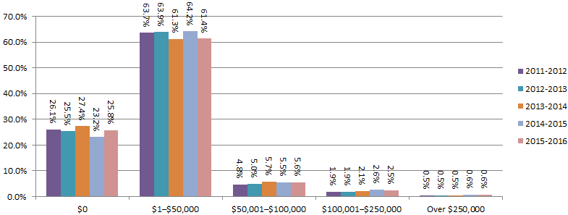

Table 3.3.15.4 - Initial external administrators' reports by remuneration of receiverships, ANNUAL
 | Estimated collectible administrator of receiver/managing controller/controller fees (including GST)
Financial year | $0 | $1–$50,000 | $50,001– $100,000 | $100,001– $250,000 | Over $250,000 | Not applicable | No. of reports
ANNUAL TOTAL
2004-2005 | 1,683 | 26 | 11 | 6 | 6 | 2,916 | 4,648
2005-2006 | 2,254 | 33 | 11 | 6 | 6 | 3,475 | 5,785
2006-2007 | 2,653 | 29 | 9 | 11 | 8 | 4,155 | 6,865
2007-2008 | 1,671 | 26 | 21 | 7 | 14 | 5,194 | 6,933
2008-2009 | 1,061 | 33 | 30 | 18 | 34 | 6,557 | 7,733
2009-2010 | 937 | 36 | 22 | 14 | 23 | 6,871 | 7,903
2010-2011 | 854 | 43 | 17 | 26 | 23 | 7,091 | 8,054
2011-2012 | 1,066 | 45 | 27 | 24 | 20 | 8,892 | 10,074
2012-2013 | 822 | 32 | 22 | 35 | 28 | 8,315 | 9,254
2013-2014 | 890 | 33 | 18 | 11 | 19 | 8,488 | 9,459
2014-2015 | 823 | 22 | 12 | 18 | 18 | 7,461 | 8,354
2015-2016 | 876 | 39 | 8 | 11 | 13 | 8,518 | 9,465
ANNUAL PERCENTAGE
2004-2005 | 36.2% | 0.6% | 0.2% | 0.1% | 0.1% | 62.7% | 100.0%
2005-2006 | 39.0% | 0.6% | 0.2% | 0.1% | 0.1% | 60.1% | 100.0%
2006-2007 | 38.6% | 0.4% | 0.1% | 0.2% | 0.1% | 60.5% | 100.0%
2007-2008 | 24.1% | 0.4% | 0.3% | 0.1% | 0.2% | 74.9% | 100.0%
2008-2009 | 13.7% | 0.4% | 0.4% | 0.2% | 0.4% | 84.8% | 100.0%
2009-2010 | 11.9% | 0.5% | 0.3% | 0.2% | 0.3% | 86.9% | 100.0%
2010-2011 | 10.6% | 0.5% | 0.2% | 0.3% | 0.3% | 88.0% | 100.0%
2011-2012 | 10.6% | 0.4% | 0.3% | 0.2% | 0.2% | 88.3% | 100.0%
2012-2013 | 8.9% | 0.3% | 0.2% | 0.4% | 0.3% | 89.9% | 100.0%
2013-2014 | 9.4% | 0.3% | 0.2% | 0.1% | 0.2% | 89.7% | 100.0%
2014-2015 | 9.9% | 0.3% | 0.1% | 0.2% | 0.2% | 89.3% | 100.0%
2015-2016 | 9.3% | 0.4% | 0.1% | 0.1% | 0.1% | 90.0% | 100.0%
CHANGE FROM PREVIOUS FINANCIAL YEAR (%)
2005-2006 | 2.8% | 0.0% | 0.0% | 0.0% | 0.0% | -2.7% | 0.0%
2006-2007 | -0.3% | -0.1% | -0.1% | 0.1% | 0.0% | 0.5% | 0.0%
2007-2008 | -14.5% | 0.0% | 0.2% | -0.1% | 0.1% | 14.4% | 0.0%
2008-2009 | -10.4% | 0.1% | 0.1% | 0.1% | 0.2% | 9.9% | 0.0%
2009-2010 | -1.9% | 0.0% | -0.1% | -0.1% | -0.1% | 2.1% | 0.0%
2010-2011 | -1.3% | 0.1% | -0.1% | 0.1% | 0.0% | 1.1% | 0.0%
2011-2012 | 0.0% | -0.1% | 0.1% | -0.1% | -0.1% | 0.2% | 0.0%
2012-2013 | -1.7% | -0.1% | 0.0% | 0.1% | 0.1% | 1.6% | 0.0%
2013-2014 | 0.5% | 0.0% | 0.0% | -0.3% | -0.1% | -0.1% | 0.0%
2014-2015 | 0.4% | -0.1% | 0.0% | 0.1% | 0.0% | -0.4% | 0.0%
2015-2016 | -0.6% | 0.1% | -0.1% | -0.1% | -0.1% | 0.7% | 0.0%
Note: Amendments to the external administrator report implemented 29 September 2006 created a new category for 'Not applicable'. To assist comparison for the period before this category was introduced, the 'Not applicable' category has been adjusted to reconcile to the total number of initial external administrators' reports.

Figure 3.3.15.4 - Initial external administrators' reports by remuneration of receiverships, ANNUAL PERCENTAGE

© Australian Securities & Investments Commission

3.3.16.1-3.3.16.3
Australian insolvency statistics
Released: December 2016
Table 3.3.16.1 - Initial external administrators' reports by categories of possible misconduct, ANNUAL
 |  | Categories of alleged possible misconduct
Financial year | Reports with no misconduct reported | Pre-appointment criminal misconduct | Post-appointment criminal misconduct | Alleged breaches of civil obligations | Other criminal offences | Other possible misconduct | Total possible misconduct | No. of reports
ANNUAL TOTAL
2008-2009 | 2,641 | 1,805 | 3,637 | 8,791 | 84 | 161 | 14,478 | 7,733
2009-2010 | 2,465 | 1,725 | 3,002 | 9,683 | 76 | 166 | 14,652 | 7,903
2010-2011 | 2,384 | 1,595 | 2,533 | 10,035 | 85 | 139 | 14,387 | 8,054
2011-2012 | 2,821 | 1,565 | 2,970 | 13,093 | 80 | 179 | 17,887 | 10,074
2012-2013 | 2,493 | 1,322 | 2,469 | 12,593 | 60 | 118 | 16,562 | 9,254
2013-2014 | 2,241 | 1,199 | 2,836 | 13,950 | 55 | 155 | 18,195 | 9,459
2014-2015 | 1,793 | 788 | 2,089 | 13,231 | 56 | 115 | 16,279 | 8,354
2015-2016 | 1,668 | 1,009 | 2,684 | 16,737 | 66 | 129 | 20,625 | 9,465
ANNUAL PERCENTAGE
2008-2009 | 34.2% | 23.3% | 47.0% | 113.7% | 1.1% | 2.1%
2009-2010 | 31.2% | 21.8% | 38.0% | 122.5% | 1.0% | 2.1%
2010-2011 | 29.6% | 19.8% | 31.5% | 124.6% | 1.1% | 1.7%
2011-2012 | 28.0% | 15.5% | 29.5% | 130.0% | 0.8% | 1.8%
2012-2013 | 26.9% | 14.3% | 26.7% | 136.1% | 0.6% | 1.3%
2013-2014 | 23.7% | 12.7% | 30.0% | 147.5% | 0.6% | 1.6%
2014-2015 | 21.5% | 9.4% | 25.0% | 158.4% | 0.7% | 1.4%
2015-2016 | 17.6% | 10.7% | 28.4% | 176.8% | 0.7% | 1.4%
CHANGE FROM PREVIOUS FINANCIAL YEAR (%)
2009-2010 | -3.0% | -1.5% | -9.0% | 8.8% | -0.1% | 0.0%
2010-2011 | -1.6% | -2.0% | -6.5% | 2.1% | 0.1% | -0.4%
2011-2012 | -1.6% | -4.3% | -2.0% | 5.4% | -0.3% | 0.1%
2012-2013 | -1.1% | -1.2% | -2.8% | 6.1% | -0.1% | -0.5%
2013-2014 | -3.2% | -1.6% | 3.3% | 11.4% | -0.1% | 0.4%
2014-2015 | -2.2% | -3.2% | -5.0% | 10.9% | 0.1% | -0.3%
2015-2016 | -3.8% | 1.2% | 3.4% | 18.5% | 0.0% | 0.0%
Note: More than one possible misconduct can be nominated for each report. Annual percentage is calculated using the annual total divided by the number of reports. Therefore each financial year will not total to 100%.

Figure 3.3.16.1 - Initial external administrators' reports by categories of possible misconduct, ANNUAL PERCENTAGE
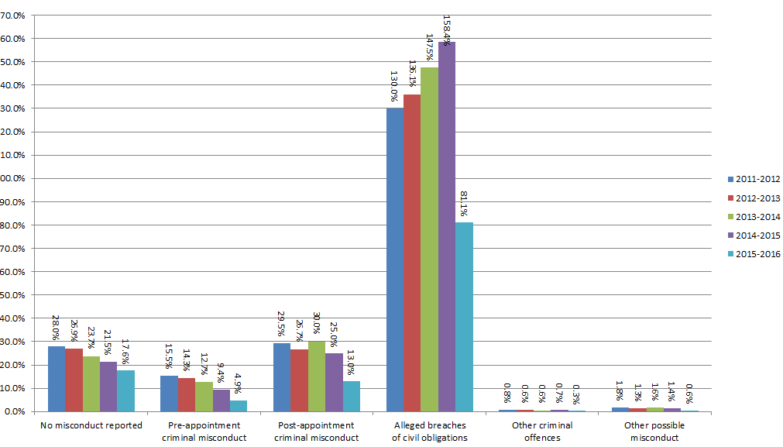

Table 3.3.16.2 - Initial external administrators' reports by possible pre-appointment criminal misconduct, ANNUAL
 | Section of the Corporations Act
Financial year | Section 184 Good faith, use of position and use of information— Directors’, officers’ and employees’ duties | Section 206A Disqualified persons not to manage corporations | Sections 286 & 344(2) Obligation to keep financial records | Section 471A Powers of other officers suspended during winding up | Section 588G(3) Insolvent trading | Section 590 Offences by officers or employees | Section 596AB Agreements to avoid employee entitlements | Other criminal offences under the Corporations Act | Total possible pre-appointment criminal misconduct | No. of reports
ANNUAL TOTAL
2008-2009 | 283 | 49 | 534 | 42 | 678 | 154 | 13 | 52 | 1,805 | 7,733
2009-2010 | 271 | 34 | 522 | 25 | 651 | 155 | 14 | 53 | 1,725 | 7,903
2010-2011 | 246 | 24 | 470 | 37 | 604 | 146 | 9 | 59 | 1,595 | 8,054
2011-2012 | 261 | 33 | 473 | 30 | 536 | 166 | 8 | 58 | 1,565 | 10,074
2012-2013 | 267 | 31 | 360 | 33 | 408 | 113 | 13 | 97 | 1,322 | 9,254
2013-2014 | 255 | 36 | 333 | 26 | 381 | 116 | 5 | 47 | 1,199 | 9,459
2014-2015 | 173 | 31 | 240 | 25 | 166 | 106 | 9 | 38 | 788 | 8,354
2015-2016 | 274 | 22 | 332 | 27 | 150 | 137 | 9 | 58 | 1,009 | 9,465
ANNUAL PERCENTAGE
2008-2009 | 3.7% | 0.6% | 6.9% | 0.5% | 8.8% | 2.0% | 0.2% | 0.7%
2009-2010 | 3.4% | 0.4% | 6.6% | 0.3% | 8.2% | 2.0% | 0.2% | 0.7%
2010-2011 | 3.1% | 0.3% | 5.8% | 0.5% | 7.5% | 1.8% | 0.1% | 0.7%
2011-2012 | 2.6% | 0.3% | 4.7% | 0.3% | 5.3% | 1.6% | 0.1% | 0.6%
2012-2013 | 2.9% | 0.3% | 3.9% | 0.4% | 4.4% | 1.2% | 0.1% | 1.0%
2013-2014 | 2.7% | 0.4% | 3.5% | 0.3% | 4.0% | 1.2% | 0.1% | 0.5%
2014-2015 | 2.1% | 0.4% | 2.9% | 0.3% | 2.0% | 1.3% | 0.1% | 0.5%
2015-2016 | 2.9% | 0.2% | 3.5% | 0.3% | 1.6% | 1.4% | 0.1% | 0.6%
CHANGE FROM PREVIOUS FINANCIAL YEAR (%)
2009-2010 | -0.2% | -0.2% | -0.3% | -0.2% | -0.5% | 0.0% | 0.0% | 0.0%
2010-2011 | -0.4% | -0.1% | -0.8% | 0.1% | -0.7% | -0.1% | -0.1% | 0.1%
2011-2012 | -0.5% | 0.0% | -1.1% | -0.2% | -2.2% | -0.2% | 0.0% | -0.2%
2012-2013 | 0.3% | 0.0% | -0.8% | 0.1% | -0.9% | -0.4% | 0.1% | 0.5%
2013-2014 | -0.2% | 0.0% | -0.4% | -0.1% | -0.4% | 0.0% | -0.1% | -0.6%
2014-2015 | -0.6% | 0.0% | -0.6% | 0.0% | -2.0% | 0.0% | 0.1% | 0.0%
2015-2016 | 0.8% | -0.1% | 0.6% | 0.0% | -0.4% | 0.2% | 0.0% | 0.2%
Note: More than one possible misconduct can be nominated for each report. Annual percentage is calculated using the annual total divided by the number of reports. Therefore each financial year will not total to 100%.

Figure 3.3.16.2 - Initial external administrators' reports by possible pre-appointment criminal misconduct, ANNUAL PERCENTAGE

Table 3.3.16.3 - Initial external administrators' reports by possible breaches of civil obligations, ANNUAL
 | Section of the Corporations Act
Financial year | Section 180 Care and diligence— Directors’ and officers’ duties | Section 181 Good faith—Directors’ and officers’ duties | Section 182 Use of position— Directors’, officers’ and employees’ duties | Section 183 Use of information— Directors’, officers’ and employees’ duties | Sections 286 & 344(1) Obligation to keep financial records | Section 588G(1)–(2) Insolvent trading | Total possible breaches of civil obligations | No. of reports
ANNUAL TOTAL
2008-2009 | 1,409 | 790 | 582 | 216 | 2,653 | 3,141 | 8,791 | 7,733
2009-2010 | 1,398 | 839 | 626 | 257 | 2,944 | 3,619 | 9,683 | 7,903
2010-2011 | 1,593 | 790 | 646 | 258 | 2,769 | 3,979 | 10,035 | 8,054
2011-2012 | 2,376 | 1,114 | 871 | 296 | 3,361 | 5,075 | 13,093 | 10,074
2012-2013 | 2,302 | 1,204 | 735 | 217 | 3,263 | 4,872 | 12,593 | 9,254
2013-2014 | 2,542 | 1,302 | 900 | 295 | 3,486 | 5,425 | 13,950 | 9,459
2014-2015 | 2,739 | 1,288 | 903 | 236 | 3,209 | 4,856 | 13,231 | 8,354
2015-2016 | 3,636 | 1,954 | 1,125 | 329 | 3,957 | 5,736 | 16,737 | 9,465
ANNUAL PERCENTAGE
2008-2009 | 18.2% | 10.2% | 7.5% | 2.8% | 34.3% | 40.6%
2009-2010 | 17.7% | 10.6% | 7.9% | 3.3% | 37.3% | 45.8%
2010-2011 | 19.8% | 9.8% | 8.0% | 3.2% | 34.4% | 49.4%
2011-2012 | 23.6% | 11.1% | 8.6% | 2.9% | 33.4% | 50.4%
2012-2013 | 24.9% | 13.0% | 7.9% | 2.3% | 35.3% | 52.6%
2013-2014 | 26.9% | 13.8% | 9.5% | 3.1% | 36.9% | 57.4%
2014-2015 | 32.8% | 15.4% | 10.8% | 2.8% | 38.4% | 58.1%
2015-2016 | 38.4% | 20.6% | 11.9% | 3.5% | 41.8% | 60.6%
CHANGE FROM PREVIOUS FINANCIAL YEAR (%)
2009-2010 | -0.5% | 0.4% | 0.4% | 0.5% | 2.9% | 5.2%
2010-2011 | 2.1% | -0.8% | 0.1% | 0.0% | -2.9% | 3.6%
2011-2012 | 3.8% | 1.2% | 0.6% | -0.3% | -1.0% | 1.0%
2012-2013 | 1.3% | 2.0% | -0.7% | -0.6% | 1.9% | 2.3%
2013-2014 | 2.0% | 0.8% | 1.6% | 0.8% | 1.6% | 4.7%
2014-2015 | 5.9% | 1.7% | 1.3% | -0.3% | 1.6% | 0.8%
2015-2016 | 5.6% | 5.2% | 1.1% | 0.7% | 3.4% | 2.5%
Note: More than one possible misconduct can be nominated for each report. Annual percentage is calculated using the annual total divided by the number of reports. Therefore each financial year will not total to 100%.

Figure 3.3.16.3 - Initial external administrators' reports by possible breaches of civil obligations, ANNUAL PERCENTAGE


© Australian Securities & Investments Commission

